Historical NSW
New South Wales

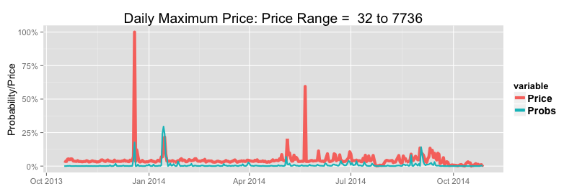

Upper Exceedance Probability Alerts |  |  |  |  |  |  |  |  |  | Prices Versus Upper 24 Hour Forcast Upper Exceedance Probabilites (Prices Scaled to Per Cent of Range) |  |  |  |  |  |  |  |  |  | Prices Versus Upper 48 Hour Forcast Upper Exceedance Probabilites (Prices Scaled to Per Cent of Range)
Maximum Daily Prices: January 2002 to Current |  | 24 Hours Ahead |  |  | 48 Hours Ahead
Probability Threshold | 30.0% | 50.0% | 70.0% | 30.0% | 50.0% | 70.0%
Maximum Price Threshold | 1000 | 1000 | 1000 | 1000 | 1000 | 1000
Average Number of Events Per Year | 9.9 | 9.9 | 9.9 | 9.9 | 9.9 | 9.9
Percentage of Events Predicted | 87.0% | 72.0% | 61.0% | 70.0% | 57.0% | 39.0%
Percentage of True Positive Predictions | 33.0% | 40.0% | 50.0% | 29.0% | 39.0% | 45.0%
Average Number of False Positives Per Year | 17.1 | 10.5 | 6.1 | 17.2 | 8.8 | 4.8
Percentage of Events Predicted Without Precedent | 57.0% | 51.0% | 47.0% | 52.0% | 47.0% | 37.0%
Summer: Average Number of Events Per Year | 3.3 | 3.3 | 3.3 | 3.3 | 3.3 | 3.3
Summer: Percentage of Events Predicted | 93.0% | 83.0% | 69.0% | 83.0% | 64.0% | 36.0%
Summer: Average Number of False Positives Per Season | 3.7 | 2.0 | 1.1 | 4.3 | 2.1 | 0.8
Winter: Average Number of Events Per Year | 3.8 | 3.8 | 3.8 | 3.8 | 3.8 | 3.8
Winter: Percentage of Events Predicted | 86.0% | 65.0% | 61.0% | 69.0% | 62.0% | 46.0%
Winter: Average Number of False Positives Per Season | 8.5 | 5.3 | 2.9 | 8.7 | 4.6 | 3.1

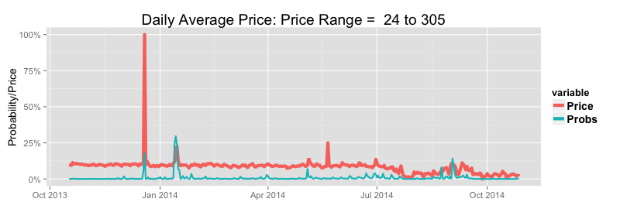
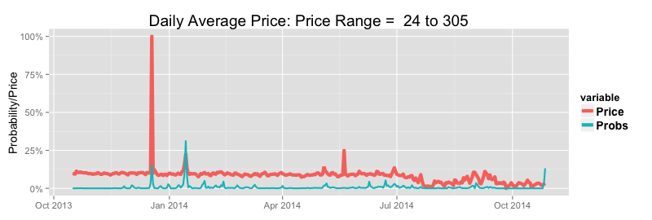
Average Daily Prices: January 2002 to Current |  | 24 Hours Ahead |  |  | 48 Hours Ahead
Probability Threshold | 30.0% | 50.0% | 70.0% | 30.0% | 50.0% | 70.0%
Maximum Price Threshold | 100 | 100 | 100 | 100 | 100 | 100
Average Number of Events Per Year | 12.0 | 12.0 | 12.0 | 12.0 | 12.0 | 12.0
Percentage of Events Predicted | 92.0% | 80.0% | 66.0% | 79.0% | 63.0% | 44.0%
Percentage of True Positive Predictions | 43.0% | 54.0% | 65.0% | 39.0% | 52.0% | 61.0%
Average Number of False Positives Per Year | 14.8 | 8.1 | 4.2 | 14.7 | 6.9 | 3.4
Percentage of Events Predicted Without Precedent | 54.0% | 48.0% | 43.0% | 47.0% | 40.0% | 25.0%
Summer: Average Number of Events Per Year | 3.6 | 3.6 | 3.6 | 3.6 | 3.6 | 3.6
Summer: Percentage of Events Predicted | 91.0% | 83.0% | 65.0% | 83.0% | 63.0% | 33.0%
Summer: Average Number of False Positives Per Season | 3.4 | 1.7 | 1.0 | 4.1 | 2.0 | 0.8
Winter: Average Number of Events Per Year | 4.5 | 4.5 | 4.5 | 4.4 | 4.4 | 4.4
Winter: Percentage of Events Predicted | 91.0% | 77.0% | 74.0% | 80.0% | 73.0% | 61.0%
Winter: Average Number of False Positives Per Season | 7.7 | 4.4 | 2.0 | 7.7 | 3.8 | 2.1

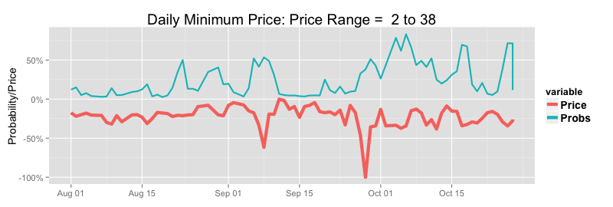
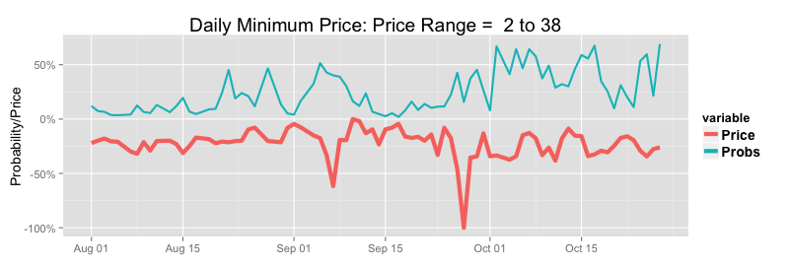
Lower Exceedance Probability Alerts |  |  |  |  |  |  |  |  |  | Prices Versus Upper 24 Hour Forcast Lower Exceedance Probabilites (Prices Scaled to Per Cent of Range) |  |  |  |  |  |  |  |  |  | Prices Versus Upper48 Hour Forcast Lower Exceedance Probabilites (Prices Scaled to Per Cent of Range)
Minimum Daily Prices: January 2002 to Current |  | 24 Hours Ahead |  |  | 48 Hours Ahead
Probability Threshold | 30.0% | 50.0% | 70.0% |  | 30.0% | 50.0% | 70.0%
Minimum Price Threshold (Pre/Post Carbon Tax) | $ 14 /$ 41 | $ 14 /$ 41 | $ 14 /$ 41 |  | $ 14 /$ 41 | $ 14 /$ 41 | $ 14 /$ 41
Average Number of Events Per Year | 48.5 | 48.5 | 48.5 |  | 48.5 | 48.5 | 48.5
Percentage of Events Predicted | 55.0% | 34.0% | 16.0% |  | 53.0% | 30.0% | 11.0%
Percentage of True Positive Predictions | 30.0% | 40.0% | 46.0% |  | 31.0% | 42.0% | 47.0%
Average Number of False Positives Per Year | 61.3 | 25.1 | 8.8 |  | 56.5 | 20.6 | 6.2
Percentage of Events Predicted Without Precedent | 43.0% | 40.0% | 36.0% |  | 42.0% | 40.0% | 38.0%

Event Probabilities & Conditional Prices | Overall Means |  |  |  | Conditional Means 24 Hours Ahead |  |  |  |  | Conditional Means 48 Hours Ahead
 |  |  |  |  | Low Price Alert |  | High Price Alert |  |  | Low Price Alert |  | High Price Alert
Threshold Probability | Daily Average | Daily Maximum | Daily Minimum |  | Daily Average | Daily Minimum | Daily Average | Daily Maximum |  | Daily Average | Daily Minimum | Daily Average | Daily Maximum
Event Probability > 0.25 | 48 | 223 | 24 |  | 35 | 22 | 173 | 1843 |  | 35 | 22 | 156 | 1618
Event Probability > 0.50 | - | - | - |  | 31 | 20 | 234 | 2553 |  | 32 | 20 | 214 | 2362
Event Probability > 07.5 | - | - | - |  | 30 | 19 | 296 | 3327 |  | 29 | 18 | 286 | 3083

Model Fit Summary

Logistic Exceedance Model RSQ (%) | 24 Hours | 48 Hours
High Price Regime Probability | 71.08 | 62.54
Low Price Regime Probability | 40.32 | 36.7

Price and Demand Models | 24 Hours Ahead |  | Absolute Percentage Errors |  |  |  | 48 Hours Ahead |  | Absolute Percentage Errors
 | RSQ | Rank RSQ | mean | median | 75 Pct | 95pct | RSQ | Rank RSQ | mean | median | 75 pct | 95pct
Price | 66.8% | 95.5% | 23.8% | 7.2% | 14.6% | 42.0% | 56.9% | 94.0% | 25.9% | 8.5% | 16.9% | 46.9%
Demand | 92.0% | - | 3.4% | - | - | - | 88.6% | - | 4.3% | - | - | -

Price Error Summary By Time and Season |  |  |  | 24 Hours Ahead |  |  |  |  |  |  |  |  |  |  | 48 Hours Ahead
 | Summer |  |  | Autum |  |  | Winter |  |  | Spring |  |  |  | Summer |  |  | Autum |  |  | Winter |  |  | Spring
Time | Median | 75th PCV | 95th PCT | Median | 75th PCT | 95th PCT | Median | 75th PCT | 95th PCT | Median | 75th PCT | 95th PCT |  | Median | 75th PCV | 95th PCT | Median | 75th PCT | 95th PCT | Median | 75th PCT | 95th PCT | Median | 75th PCT | 95th PCT
0:30:00 | 7.0% | 12.8% | 26.7% | 7.7% | 14.1% | 36.7% | 9.2% | 18.4% | 45.3% | 7.8% | 14.6% | 32.7% |  | 8.3% | 14.7% | 27.7% | 8.0% | 15.6% | 41.7% | 10.7% | 19.1% | 50.5% | 8.0% | 14.9% | 38.0%
1:00:00 | 7.3% | 12.9% | 24.6% | 7.4% | 13.7% | 32.0% | 9.2% | 17.1% | 42.2% | 7.8% | 13.8% | 28.5% |  | 8.6% | 14.9% | 27.9% | 8.0% | 14.3% | 36.0% | 9.7% | 17.5% | 43.8% | 7.9% | 14.2% | 31.4%
1:30:00 | 7.3% | 12.7% | 23.9% | 7.1% | 13.0% | 27.9% | 9.0% | 16.0% | 40.9% | 7.7% | 13.4% | 28.3% |  | 8.5% | 15.1% | 27.6% | 7.7% | 14.1% | 32.0% | 9.2% | 16.4% | 38.9% | 7.9% | 14.7% | 29.9%
2:00:00 | 7.3% | 12.6% | 24.1% | 7.8% | 13.8% | 31.1% | 8.7% | 15.7% | 39.9% | 7.8% | 13.4% | 27.9% |  | 8.9% | 15.6% | 27.3% | 8.2% | 15.4% | 32.4% | 9.9% | 16.6% | 42.3% | 8.4% | 15.0% | 31.9%
2:30:00 | 7.5% | 13.3% | 25.9% | 7.9% | 13.2% | 29.4% | 9.3% | 15.7% | 39.2% | 8.4% | 14.1% | 26.7% |  | 9.5% | 15.7% | 29.1% | 8.5% | 14.5% | 30.9% | 9.8% | 16.9% | 39.4% | 8.8% | 15.6% | 33.0%
3:00:00 | 9.0% | 15.2% | 27.8% | 7.9% | 14.0% | 29.8% | 10.4% | 18.5% | 36.8% | 9.7% | 16.5% | 31.4% |  | 10.6% | 17.8% | 32.0% | 8.8% | 16.0% | 33.6% | 10.9% | 19.0% | 37.2% | 10.6% | 18.1% | 35.5%
3:30:00 | 9.2% | 16.1% | 28.4% | 8.6% | 14.6% | 30.6% | 11.1% | 19.4% | 38.0% | 10.1% | 17.5% | 33.4% |  | 11.2% | 18.1% | 32.8% | 9.5% | 16.4% | 35.2% | 12.2% | 20.5% | 41.5% | 11.8% | 19.0% | 37.7%
4:00:00 | 9.9% | 17.8% | 30.1% | 9.2% | 15.9% | 32.5% | 11.2% | 19.8% | 42.4% | 10.5% | 19.4% | 35.7% |  | 11.4% | 19.3% | 33.6% | 10.5% | 17.3% | 37.8% | 12.6% | 21.0% | 47.6% | 12.2% | 21.2% | 37.7%
4:30:00 | 9.8% | 17.7% | 30.4% | 9.9% | 16.3% | 34.4% | 10.9% | 20.0% | 44.8% | 11.2% | 19.2% | 35.7% |  | 11.4% | 19.7% | 33.9% | 11.0% | 18.2% | 40.1% | 12.5% | 21.2% | 48.8% | 12.2% | 21.6% | 37.9%
5:00:00 | 10.1% | 16.4% | 29.0% | 9.6% | 16.2% | 32.9% | 10.7% | 19.7% | 41.7% | 10.9% | 18.7% | 33.9% |  | 11.3% | 19.2% | 31.8% | 10.5% | 17.9% | 38.6% | 11.9% | 21.3% | 46.8% | 12.1% | 21.1% | 37.5%
5:30:00 | 9.5% | 16.4% | 28.4% | 8.7% | 15.5% | 28.9% | 10.5% | 18.4% | 40.4% | 10.4% | 18.2% | 33.5% |  | 11.1% | 19.2% | 31.9% | 10.3% | 16.9% | 36.0% | 11.7% | 20.8% | 44.4% | 12.2% | 21.2% | 35.3%
6:00:00 | 9.5% | 17.0% | 30.6% | 8.1% | 13.9% | 28.4% | 9.0% | 16.9% | 38.3% | 9.4% | 16.3% | 34.2% |  | 11.2% | 18.9% | 33.4% | 8.8% | 16.1% | 35.3% | 10.0% | 17.9% | 40.0% | 11.4% | 19.4% | 35.3%
6:30:00 | 9.4% | 17.2% | 33.5% | 7.4% | 14.0% | 33.6% | 8.4% | 15.6% | 33.3% | 9.5% | 17.8% | 39.6% |  | 11.5% | 20.3% | 38.0% | 9.0% | 16.9% | 39.8% | 9.2% | 16.4% | 38.5% | 11.0% | 20.3% | 43.8%
7:00:00 | 8.6% | 16.7% | 39.5% | 7.7% | 15.2% | 37.9% | 9.1% | 18.1% | 40.8% | 9.2% | 18.1% | 39.6% |  | 11.3% | 19.8% | 40.4% | 10.1% | 18.7% | 43.6% | 11.9% | 21.9% | 54.0% | 11.1% | 20.4% | 43.8%
7:30:00 | 8.7% | 16.5% | 40.9% | 8.3% | 18.0% | 62.8% | 11.3% | 23.7% | 70.3% | 9.7% | 20.3% | 57.5% |  | 10.4% | 19.4% | 44.3% | 10.8% | 22.9% | 74.1% | 15.7% | 30.9% | 83.3% | 12.3% | 26.0% | 64.5%
8:00:00 | 7.3% | 13.9% | 32.8% | 7.5% | 14.7% | 46.8% | 10.7% | 21.7% | 57.7% | 8.1% | 15.6% | 38.1% |  | 8.5% | 16.6% | 36.3% | 8.9% | 18.2% | 55.5% | 13.3% | 27.6% | 76.8% | 9.1% | 19.1% | 43.9%
8:30:00 | 6.7% | 12.8% | 34.1% | 7.0% | 14.9% | 55.9% | 13.2% | 27.2% | 73.7% | 7.7% | 15.2% | 40.9% |  | 8.1% | 15.3% | 33.9% | 8.1% | 17.2% | 61.8% | 16.9% | 32.7% | 89.4% | 8.1% | 16.9% | 44.5%
9:00:00 | 6.9% | 14.2% | 37.5% | 6.2% | 13.8% | 49.0% | 10.7% | 22.5% | 69.6% | 7.0% | 16.6% | 46.6% |  | 8.4% | 16.5% | 39.6% | 7.3% | 15.8% | 50.9% | 12.5% | 26.9% | 83.0% | 8.0% | 17.0% | 48.3%
9:30:00 | 7.7% | 15.0% | 40.5% | 6.3% | 12.9% | 41.4% | 8.7% | 17.6% | 62.4% | 6.9% | 15.3% | 39.5% |  | 8.9% | 16.8% | 41.3% | 7.5% | 14.7% | 44.5% | 10.0% | 19.4% | 59.0% | 7.6% | 15.4% | 40.5%
10:00:00 | 8.5% | 16.6% | 50.2% | 7.3% | 14.9% | 46.4% | 9.0% | 20.2% | 56.8% | 7.9% | 16.8% | 50.9% |  | 10.1% | 18.9% | 49.6% | 8.8% | 17.2% | 51.2% | 11.5% | 20.4% | 56.5% | 8.5% | 17.1% | 51.7%
10:30:00 | 7.7% | 15.4% | 47.7% | 6.7% | 12.9% | 42.6% | 7.6% | 14.4% | 44.6% | 6.8% | 15.2% | 44.0% |  | 9.7% | 18.3% | 47.4% | 7.9% | 14.8% | 43.6% | 9.8% | 17.6% | 46.7% | 7.7% | 15.1% | 43.6%
11:00:00 | 8.6% | 16.5% | 59.8% | 7.0% | 13.2% | 42.9% | 7.5% | 14.1% | 37.8% | 7.0% | 15.2% | 48.0% |  | 10.3% | 19.9% | 55.0% | 8.5% | 14.9% | 45.9% | 9.6% | 17.0% | 42.0% | 7.9% | 15.5% | 50.3%
11:30:00 | 8.1% | 17.1% | 66.0% | 6.4% | 12.3% | 38.3% | 6.7% | 12.2% | 31.4% | 6.8% | 14.2% | 51.5% |  | 9.5% | 20.2% | 70.7% | 7.9% | 15.0% | 43.4% | 8.3% | 15.4% | 35.6% | 7.6% | 15.2% | 51.8%
12:00:00 | 9.0% | 20.2% | 79.7% | 6.7% | 12.7% | 37.3% | 6.7% | 12.4% | 33.1% | 7.2% | 15.5% | 51.3% |  | 10.6% | 23.1% | 86.1% | 8.0% | 14.7% | 43.0% | 8.4% | 14.9% | 33.2% | 8.0% | 16.2% | 55.3%
12:30:00 | 8.4% | 19.7% | 85.5% | 6.0% | 11.5% | 34.1% | 5.9% | 11.1% | 29.0% | 6.6% | 15.1% | 48.9% |  | 10.8% | 23.3% | 92.9% | 7.2% | 13.5% | 37.2% | 7.2% | 13.3% | 31.4% | 7.8% | 15.8% | 52.1%
13:00:00 | 8.8% | 22.6% | 103.9% | 6.1% | 11.6% | 37.7% | 5.7% | 11.0% | 31.4% | 6.6% | 16.0% | 54.8% |  | 11.8% | 25.0% | 101.9% | 7.5% | 13.9% | 39.8% | 7.0% | 13.0% | 32.4% | 8.0% | 16.5% | 61.2%
13:30:00 | 8.8% | 23.4% | 123.1% | 5.4% | 10.5% | 29.7% | 5.3% | 10.1% | 23.5% | 5.9% | 13.7% | 48.8% |  | 10.9% | 24.8% | 134.3% | 6.8% | 12.5% | 37.1% | 6.1% | 11.1% | 26.4% | 7.1% | 14.7% | 53.5%
14:00:00 | 7.8% | 20.7% | 113.6% | 4.7% | 9.1% | 32.1% | 4.5% | 8.4% | 22.1% | 5.2% | 12.5% | 50.5% |  | 10.7% | 24.9% | 148.8% | 5.8% | 11.2% | 35.9% | 5.0% | 9.5% | 22.1% | 6.2% | 14.3% | 52.6%
14:30:00 | 8.0% | 21.7% | 118.5% | 4.6% | 9.2% | 32.7% | 4.5% | 8.4% | 22.4% | 5.3% | 13.6% | 55.2% |  | 10.3% | 25.3% | 153.7% | 5.8% | 11.1% | 39.9% | 4.9% | 9.3% | 22.3% | 6.1% | 15.2% | 55.3%
15:00:00 | 7.0% | 18.4% | 120.1% | 4.2% | 8.2% | 29.9% | 3.9% | 7.3% | 18.1% | 4.5% | 11.4% | 48.9% |  | 8.9% | 22.4% | 173.9% | 5.2% | 9.8% | 35.7% | 4.2% | 8.0% | 19.9% | 5.2% | 12.6% | 48.9%
15:30:00 | 6.6% | 17.1% | 102.9% | 3.5% | 7.2% | 26.0% | 3.3% | 6.2% | 14.6% | 4.1% | 9.5% | 43.4% |  | 8.8% | 20.4% | 174.9% | 4.6% | 8.5% | 30.4% | 3.8% | 7.0% | 16.7% | 4.8% | 11.3% | 44.9%
16:00:00 | 6.7% | 17.4% | 151.2% | 3.6% | 7.1% | 21.7% | 3.3% | 6.2% | 14.9% | 4.0% | 9.0% | 40.5% |  | 8.9% | 20.8% | 238.2% | 4.6% | 8.3% | 25.3% | 3.8% | 7.1% | 15.8% | 4.6% | 10.4% | 45.5%
16:30:00 | 6.3% | 16.6% | 151.7% | 3.4% | 6.5% | 21.8% | 3.3% | 6.2% | 16.0% | 3.6% | 8.5% | 38.7% |  | 8.4% | 19.9% | 217.0% | 4.3% | 8.1% | 24.1% | 3.9% | 7.1% | 17.5% | 4.4% | 9.8% | 40.8%
17:00:00 | 7.4% | 17.2% | 114.3% | 4.3% | 8.2% | 27.4% | 4.7% | 8.6% | 23.4% | 4.8% | 10.6% | 43.6% |  | 9.8% | 21.8% | 129.5% | 5.5% | 10.1% | 30.0% | 5.3% | 10.0% | 24.9% | 5.7% | 12.1% | 44.6%
17:30:00 | 8.5% | 19.1% | 114.6% | 5.6% | 11.3% | 33.4% | 7.1% | 13.2% | 34.0% | 6.0% | 12.3% | 40.8% |  | 11.4% | 25.3% | 110.9% | 6.7% | 12.6% | 37.7% | 8.3% | 15.3% | 38.9% | 7.4% | 14.9% | 50.0%
18:00:00 | 8.0% | 16.2% | 56.5% | 6.9% | 13.1% | 43.8% | 10.5% | 20.7% | 98.4% | 6.9% | 12.2% | 29.9% |  | 10.8% | 21.4% | 73.4% | 8.6% | 14.8% | 49.2% | 11.9% | 23.5% | 94.0% | 8.4% | 14.3% | 37.7%
18:30:00 | 3.8% | 7.2% | 20.0% | 4.9% | 13.1% | 50.1% | 9.0% | 25.0% | 197.0% | 3.4% | 6.2% | 17.2% |  | 4.8% | 9.0% | 24.4% | 5.6% | 14.4% | 56.1% | 11.1% | 29.0% | 213.5% | 4.1% | 7.2% | 20.5%
19:00:00 | 3.9% | 7.2% | 17.8% | 5.3% | 13.9% | 54.4% | 11.8% | 29.2% | 221.0% | 4.1% | 8.0% | 33.8% |  | 5.1% | 8.8% | 21.0% | 6.1% | 15.9% | 61.4% | 14.2% | 36.8% | 244.7% | 5.1% | 9.8% | 34.1%
19:30:00 | 5.4% | 10.1% | 23.4% | 6.3% | 14.6% | 55.1% | 14.7% | 33.2% | 152.0% | 6.8% | 14.3% | 53.7% |  | 7.4% | 12.7% | 29.5% | 7.5% | 17.2% | 60.4% | 17.3% | 39.7% | 177.0% | 8.4% | 17.4% | 63.5%
20:00:00 | 7.3% | 14.4% | 35.5% | 7.8% | 15.1% | 46.3% | 13.8% | 26.1% | 90.8% | 8.6% | 16.0% | 48.6% |  | 10.3% | 17.2% | 42.7% | 9.3% | 16.4% | 53.4% | 16.7% | 30.6% | 97.6% | 10.2% | 18.7% | 51.6%
20:30:00 | 8.4% | 16.0% | 44.4% | 8.3% | 14.7% | 47.3% | 13.6% | 24.1% | 70.6% | 8.7% | 15.6% | 37.1% |  | 11.1% | 19.9% | 47.6% | 10.4% | 17.4% | 48.0% | 17.3% | 29.4% | 72.7% | 11.0% | 19.0% | 37.4%
21:00:00 | 6.6% | 13.3% | 35.2% | 6.3% | 11.8% | 39.0% | 11.5% | 21.6% | 79.6% | 7.0% | 12.6% | 32.3% |  | 7.8% | 15.8% | 40.0% | 7.0% | 13.8% | 49.5% | 13.2% | 25.5% | 86.5% | 7.8% | 14.9% | 37.7%
21:30:00 | 6.2% | 12.0% | 29.8% | 6.1% | 11.6% | 37.0% | 11.6% | 20.8% | 71.3% | 6.9% | 12.1% | 26.8% |  | 7.6% | 14.3% | 33.3% | 7.1% | 13.1% | 41.0% | 13.0% | 24.1% | 69.1% | 8.0% | 14.2% | 32.3%
22:00:00 | 6.0% | 11.9% | 29.5% | 5.5% | 10.5% | 28.8% | 9.6% | 17.5% | 47.4% | 6.1% | 11.3% | 25.1% |  | 7.3% | 14.6% | 34.0% | 6.1% | 12.1% | 32.7% | 11.1% | 20.8% | 51.5% | 7.1% | 13.7% | 29.6%
22:30:00 | 6.5% | 12.6% | 27.2% | 5.7% | 11.3% | 30.5% | 9.8% | 16.7% | 41.2% | 6.9% | 12.4% | 25.2% |  | 7.8% | 15.2% | 33.0% | 7.1% | 13.2% | 31.9% | 11.5% | 20.4% | 43.7% | 8.3% | 15.1% | 30.3%
23:00:00 | 6.1% | 12.0% | 26.7% | 5.8% | 13.1% | 43.2% | 8.7% | 20.1% | 66.8% | 6.2% | 11.9% | 30.3% |  | 7.5% | 13.9% | 29.7% | 7.1% | 13.6% | 49.3% | 10.9% | 21.1% | 68.3% | 7.2% | 14.2% | 32.0%
23:30:00 | 6.3% | 12.0% | 25.7% | 6.3% | 12.6% | 34.2% | 8.4% | 16.0% | 49.8% | 6.6% | 12.4% | 27.3% |  | 7.6% | 13.2% | 29.3% | 6.9% | 13.7% | 40.7% | 10.1% | 19.2% | 51.6% | 7.5% | 13.8% | 31.7%
1900-01-01 00:00:00 | 6.2% | 11.8% | 27.3% | 7.0% | 14.2% | 43.4% | 8.5% | 16.5% | 52.4% | 6.2% | 12.8% | 34.0% |  | 7.3% | 14.2% | 29.2% | 7.7% | 15.8% | 49.7% | 10.3% | 19.6% | 55.0% | 7.2% | 14.2% | 37.4%

Demand Error Summary By Time and Season | 24 Hours Ahead |  |  |  | 48 Hours Ahead
Time | Summer | Autumn | Winter | Spring | Summer | Autumn | Winter | Spring
0:30:00 | 4.3% | 4.0% | 4.4% | 4.3% | 5.5% | 4.8% | 5.0% | 5.0%
1:00:00 | 4.3% | 4.0% | 4.3% | 4.2% | 5.6% | 4.8% | 4.9% | 5.0%
1:30:00 | 4.3% | 3.9% | 4.4% | 4.1% | 5.7% | 4.7% | 4.8% | 5.0%
2:00:00 | 4.5% | 4.0% | 4.5% | 4.2% | 6.2% | 4.9% | 4.9% | 5.2%
2:30:00 | 4.7% | 4.0% | 4.4% | 4.3% | 6.6% | 4.9% | 4.8% | 5.5%
3:00:00 | 4.7% | 4.0% | 4.2% | 4.2% | 6.8% | 5.2% | 4.8% | 5.6%
3:30:00 | 4.6% | 4.0% | 4.1% | 4.2% | 6.8% | 5.4% | 4.8% | 5.7%
4:00:00 | 4.5% | 3.9% | 3.8% | 4.0% | 6.6% | 5.5% | 4.8% | 5.7%
4:30:00 | 4.2% | 3.9% | 3.7% | 3.8% | 6.2% | 5.5% | 4.9% | 5.5%
5:00:00 | 3.6% | 3.5% | 3.5% | 3.3% | 5.2% | 5.0% | 4.8% | 4.8%
5:30:00 | 3.2% | 3.1% | 3.1% | 2.8% | 4.3% | 4.3% | 4.2% | 4.0%
6:00:00 | 3.9% | 3.8% | 3.2% | 3.2% | 4.9% | 5.3% | 5.1% | 4.3%
6:30:00 | 4.9% | 3.9% | 2.8% | 3.6% | 5.7% | 5.2% | 4.1% | 4.9%
7:00:00 | 5.4% | 4.4% | 3.8% | 4.1% | 6.3% | 5.4% | 5.4% | 5.3%
7:30:00 | 5.6% | 5.4% | 5.5% | 4.8% | 6.5% | 7.0% | 8.4% | 6.4%
8:00:00 | 5.2% | 5.1% | 5.8% | 4.3% | 5.8% | 6.4% | 8.7% | 5.4%
8:30:00 | 4.9% | 4.7% | 5.3% | 3.9% | 5.2% | 5.6% | 7.9% | 4.6%
9:00:00 | 4.8% | 4.0% | 4.0% | 3.4% | 5.0% | 4.5% | 5.6% | 3.8%
9:30:00 | 4.7% | 3.4% | 2.8% | 3.0% | 4.9% | 3.4% | 3.3% | 3.2%
10:00:00 | 4.3% | 3.0% | 2.5% | 2.8% | 4.3% | 2.7% | 2.5% | 2.6%
10:30:00 | 4.3% | 2.9% | 2.2% | 2.7% | 4.5% | 2.7% | 2.3% | 2.6%
11:00:00 | 4.3% | 2.7% | 2.1% | 2.6% | 4.6% | 2.7% | 2.4% | 2.7%
11:30:00 | 4.4% | 2.7% | 2.1% | 2.7% | 4.8% | 2.8% | 2.4% | 2.8%
12:00:00 | 4.4% | 2.7% | 2.2% | 2.7% | 5.0% | 2.9% | 2.6% | 3.0%
12:30:00 | 4.5% | 2.8% | 2.3% | 2.7% | 5.2% | 3.1% | 2.6% | 3.1%
13:00:00 | 4.6% | 2.8% | 2.4% | 2.8% | 5.5% | 3.2% | 2.7% | 3.3%
13:30:00 | 4.7% | 2.9% | 2.6% | 2.9% | 5.8% | 3.4% | 2.8% | 3.6%
14:00:00 | 4.8% | 3.0% | 2.8% | 3.1% | 6.0% | 3.7% | 3.1% | 3.8%
14:30:00 | 4.8% | 3.1% | 2.9% | 3.2% | 6.1% | 3.9% | 3.2% | 4.0%
15:00:00 | 4.7% | 3.1% | 2.9% | 3.1% | 6.1% | 4.0% | 3.3% | 4.0%
15:30:00 | 4.7% | 3.1% | 2.9% | 3.1% | 6.2% | 4.0% | 3.4% | 4.0%
16:00:00 | 4.6% | 3.0% | 2.9% | 3.0% | 6.2% | 3.9% | 3.4% | 4.0%
16:30:00 | 4.5% | 2.9% | 2.9% | 2.9% | 6.0% | 3.8% | 3.4% | 3.8%
17:00:00 | 4.3% | 2.7% | 2.8% | 2.9% | 5.9% | 3.6% | 3.3% | 3.7%
17:30:00 | 4.0% | 2.5% | 2.7% | 2.7% | 5.4% | 3.3% | 3.2% | 3.5%
18:00:00 | 3.7% | 2.3% | 2.5% | 2.8% | 5.0% | 3.2% | 3.3% | 3.6%
18:30:00 | 3.6% | 2.3% | 2.4% | 2.6% | 4.9% | 3.3% | 3.4% | 3.4%
19:00:00 | 3.6% | 2.3% | 2.4% | 2.6% | 4.9% | 3.2% | 3.3% | 3.4%
19:30:00 | 3.7% | 2.3% | 2.4% | 2.6% | 4.8% | 3.0% | 3.3% | 3.3%
20:00:00 | 3.6% | 2.4% | 2.6% | 2.8% | 4.5% | 2.9% | 3.4% | 3.3%
20:30:00 | 3.6% | 2.7% | 2.7% | 3.0% | 4.4% | 3.1% | 3.6% | 3.6%
21:00:00 | 3.5% | 2.7% | 2.8% | 2.8% | 4.1% | 3.1% | 3.6% | 3.2%
21:30:00 | 3.4% | 2.7% | 2.8% | 2.9% | 4.1% | 2.9% | 3.4% | 3.3%
22:00:00 | 2.9% | 2.4% | 2.5% | 2.6% | 3.6% | 2.5% | 3.0% | 3.0%
22:30:00 | 2.8% | 2.4% | 2.4% | 2.7% | 3.6% | 2.7% | 2.8% | 3.2%
23:00:00 | 2.7% | 2.2% | 2.2% | 2.3% | 3.6% | 2.3% | 2.4% | 2.7%
23:30:00 | 2.8% | 2.3% | 2.1% | 2.4% | 3.8% | 2.6% | 2.7% | 2.9%
1900-01-01 00:00:00 | 3.0% | 2.6% | 2.5% | 2.6% | 3.8% | 2.9% | 3.1% | 3.2%

Historical QLD
Queensland

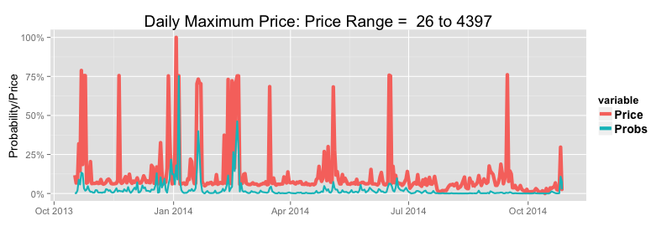

Upper Exceedance Probability Alerts |  |  |  |  |  |  |  |  |  | Prices Versus Upper 24 Hour Forcast Upper Exceedance Probabilites (Prices Scaled to Per Cent of Range) |  |  |  |  |  |  |  |  |  | Prices Versus Upper 48 Hour Forcast Upper Exceedance Probabilites (Prices Scaled to Per Cent of Range)
Maximum Daily Prices: January 2002 to Current |  | 24 Hours Ahead |  |  | 48 Hours Ahead
Probability Threshold | 30.0% | 50.0% | 70.0% | 30.0% | 50.0% | 70.0%
Maximum Price Threshold | 1000 | 1000 | 1000 | 1000 | 1000 | 1000
Average Number of Events Per Year | 17.3 | 17.3 | 17.3 | 17.3 | 17.3 | 17.3
Percentage of Events Predicted | 48.0% | 38.0% | 29.0% | 38.0% | 26.0% | 19.0%
Percentage of True Positive Predictions | 45.0% | 56.0% | 65.0% | 41.0% | 49.0% | 59.0%
Average Number of False Positives Per Year | 9.8 | 5.2 | 2.7 | 9.5 | 4.7 | 2.3
Percentage of Events Predicted Without Precedent | 50.0% | 47.0% | 38.0% | 45.0% | 41.0% | 33.0%
Summer: Average Number of Events Per Year | 6.9 | 6.9 | 6.9 | 6.9 | 6.9 | 6.9
Summer: Percentage of Events Predicted | 51.0% | 36.0% | 27.0% | 43.0% | 27.0% | 18.0%
Summer: Average Number of False Positives Per Season | 3.8 | 1.7 | 0.7 | 3.5 | 1.6 | 0.6
Winter: Average Number of Events Per Year | 5.2 | 5.2 | 5.2 | 5.2 | 5.2 | 5.2
Winter: Percentage of Events Predicted | 58.0% | 55.0% | 40.0% | 50.0% | 39.0% | 32.0%
Winter: Average Number of False Positives Per Season | 3.7 | 2.3 | 1.6 | 4.0 | 2.6 | 1.6

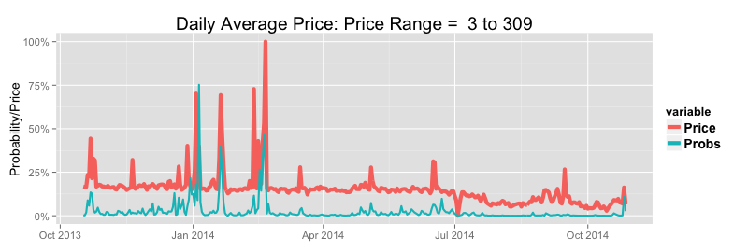
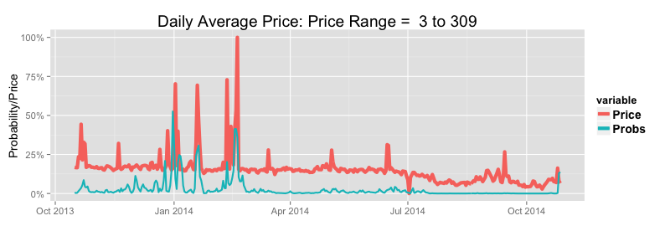
Average Daily Prices: January 2002 to Current |  | 24 Hours Ahead |  |  | 48 Hours Ahead
Probability Threshold | 30.0% | 50.0% | 70.0% | 30.0% | 50.0% | 70.0%
Maximum Price Threshold | 100 | 100 | 100 | 100 | 100 | 100
Average Number of Events Per Year | 16.0 | 16.0 | 16.0 | 16.0 | 16.0 | 16.0
Percentage of Events Predicted | 61.0% | 50.0% | 37.0% | 52.0% | 36.0% | 27.0%
Percentage of True Positive Predictions | 55.0% | 68.0% | 77.0% | 52.0% | 62.0% | 75.0%
Average Number of False Positives Per Year | 8.2 | 3.8 | 1.8 | 7.7 | 3.5 | 1.4
Percentage of Events Predicted Without Precedent | 48.0% | 44.0% | 29.0% | 39.0% | 33.0% | 27.0%
Summer: Average Number of Events Per Year | 5.9 | 5.9 | 5.9 | 5.9 | 5.9 | 5.9
Summer: Percentage of Events Predicted | 70.0% | 51.0% | 36.0% | 58.0% | 39.0% | 25.0%
Summer: Average Number of False Positives Per Season | 3.1 | 1.2 | 0.5 | 3.1 | 1.2 | 0.3
Winter: Average Number of Events Per Year | 4.9 | 4.9 | 4.9 | 4.8 | 4.8 | 4.8
Winter: Percentage of Events Predicted | 71.0% | 70.0% | 56.0% | 68.0% | 56.0% | 48.0%
Winter: Average Number of False Positives Per Season | 3.2 | 1.8 | 0.9 | 3.3 | 1.9 | 0.9

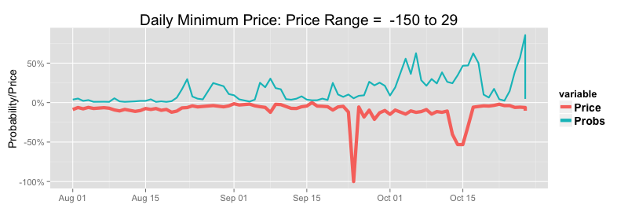
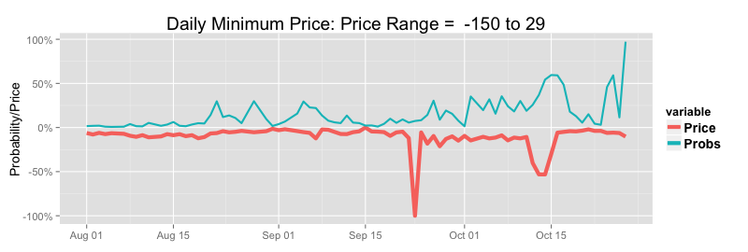
Lower Exceedance Probability Alerts |  |  |  |  |  |  |  |  |  | Prices Versus Upper 24 Hour Forcast Lower Exceedance Probabilites (Prices Scaled to Per Cent of Range) |  |  |  |  |  |  |  |  |  | Prices Versus Upper48 Hour Forcast Lower Exceedance Probabilites (Prices Scaled to Per Cent of Range)
Minimum Daily Prices: January 2002 to Current |  | 24 Hours Ahead |  |  | 48 Hours Ahead
Probability Threshold | 30.0% | 50.0% | 70.0% |  | 30.0% | 50.0% | 70.0%
Minimum Price Threshold (Pre/Post Carbon Tax) | $ 12 /$ 32 | $ 12 /$ 32 | $ 12 /$ 32 |  | $ 12 /$ 32 | $ 12 /$ 32 | $ 12 /$ 32
Average Number of Events Per Year | 43.6 | 43.6 | 43.6 |  | 43.6 | 43.6 | 43.6
Percentage of Events Predicted | 32.0% | 16.0% | 7.0% |  | 31.0% | 14.0% | 4.0%
Percentage of True Positive Predictions | 32.0% | 38.0% | 45.0% |  | 33.0% | 39.0% | 46.0%
Average Number of False Positives Per Year | 30.6 | 11.4 | 3.7 |  | 27.7 | 9.5 | 2.3
Percentage of Events Predicted Without Precedent | 41.0% | 42.0% | 38.0% |  | 44.0% | 34.0% | 40.0%

Event Probabilities & Conditional Prices | Overall Means |  |  |  | Conditional Means 24 Hours Ahead |  |  |  |  | Conditional Means 48 Hours Ahead
 |  |  |  |  | Low Price Alert |  | High Price Alert |  |  | Low Price Alert |  | High Price Alert
Threshold Probability | Daily Average | Daily Maximum | Daily Minimum |  | Daily Average | Daily Minimum | Daily Average | Daily Maximum |  | Daily Average | Daily Minimum | Daily Average | Daily Maximum
Event Probability > 0.25 | 46 | 252 | 18 |  | 35 | 11 | 185 | 2046 |  | 34 | 9 | 176 | 1893
Event Probability > 0.50 | - | - | - |  | 39 | 12 | 257 | 3011 |  | 36 | 12 | 242 | 2572
Event Probability > 07.5 | - | - | - |  | 33 | 13 | 345 | 3908 |  | 29 | 12 | 333 | 3448

Model Fit Summary

Logistic Exceedance Model RSQ (%) | 24 Hours | 48 Hours
High Price Regime Probability | 56.3 | 48.91
Low Price Regime Probability | 39.46 | 36.8

Price and Demand Models | 24 Hours Ahead |  | Absolute Percentage Errors |  |  |  | 48 Hours Ahead |  | Absolute Percentage Errors
 | RSQ | Rank RSQ | mean | median | 75 Pct | 95pct | RSQ | Rank RSQ | mean | median | 75 pct | 95pct
Price | 62.8% | 95.9% | 27.0% | 7.4% | 15.2% | 46.5% | 55.6% | 94.7% | 29.0% | 8.7% | 17.4% | 51.7%
Demand | 93.4% | - | 3.0% | - | - | - | 90.1% | - | 3.8% | - | - | -

Price Error Summary By Time and Season |  |  |  | 24 Hours Ahead |  |  |  |  |  |  |  |  |  |  | 48 Hours Ahead
 | Summer |  |  | Autum |  |  | Winter |  |  | Spring |  |  |  | Summer |  |  | Autum |  |  | Winter |  |  | Spring
Time | Median | 75th PCV | 95th PCT | Median | 75th PCT | 95th PCT | Median | 75th PCT | 95th PCT | Median | 75th PCT | 95th PCT |  | Median | 75th PCV | 95th PCT | Median | 75th PCT | 95th PCT | Median | 75th PCT | 95th PCT | Median | 75th PCT | 95th PCT
0:30:00 | 7.6% | 14.1% | 32.9% | 8.1% | 14.6% | 37.0% | 8.9% | 18.1% | 43.5% | 8.0% | 15.3% | 35.0% |  | 8.7% | 16.0% | 35.8% | 8.3% | 16.4% | 40.3% | 10.7% | 18.6% | 48.1% | 9.2% | 15.8% | 39.0%
1:00:00 | 7.8% | 13.8% | 30.5% | 7.5% | 13.4% | 32.0% | 8.7% | 16.9% | 42.7% | 7.7% | 14.5% | 28.7% |  | 8.8% | 15.7% | 34.4% | 8.4% | 14.9% | 34.1% | 10.0% | 17.2% | 45.4% | 8.5% | 15.6% | 32.5%
1:30:00 | 8.2% | 14.7% | 30.9% | 7.9% | 13.8% | 28.7% | 8.7% | 16.4% | 41.6% | 7.9% | 14.5% | 30.4% |  | 9.6% | 16.2% | 34.8% | 8.6% | 15.2% | 32.4% | 10.0% | 17.5% | 42.9% | 8.7% | 16.4% | 33.2%
2:00:00 | 8.5% | 15.4% | 30.9% | 8.2% | 14.8% | 33.6% | 8.8% | 16.7% | 44.0% | 8.1% | 15.1% | 34.1% |  | 10.0% | 17.1% | 35.8% | 9.6% | 16.3% | 36.1% | 10.3% | 18.3% | 43.9% | 9.4% | 17.2% | 37.2%
2:30:00 | 8.8% | 15.9% | 30.5% | 8.5% | 14.9% | 33.1% | 9.2% | 16.6% | 42.4% | 8.7% | 15.6% | 32.9% |  | 10.8% | 18.2% | 37.5% | 9.5% | 16.9% | 37.5% | 10.2% | 19.0% | 45.6% | 9.7% | 17.7% | 36.2%
3:00:00 | 9.2% | 16.1% | 30.3% | 8.2% | 15.0% | 32.0% | 9.2% | 16.6% | 38.4% | 9.1% | 15.7% | 31.4% |  | 10.8% | 18.6% | 35.7% | 9.2% | 17.1% | 37.4% | 10.0% | 18.8% | 42.4% | 9.9% | 17.8% | 35.7%
3:30:00 | 9.8% | 17.4% | 33.1% | 9.2% | 16.1% | 35.8% | 10.5% | 18.9% | 38.6% | 9.9% | 17.4% | 32.9% |  | 12.0% | 19.7% | 36.6% | 10.0% | 18.1% | 39.4% | 11.1% | 20.9% | 45.1% | 11.3% | 19.4% | 38.4%
4:00:00 | 10.4% | 18.6% | 35.6% | 9.6% | 16.8% | 37.8% | 11.2% | 19.2% | 41.8% | 10.6% | 17.8% | 34.4% |  | 12.2% | 21.0% | 38.9% | 10.6% | 19.5% | 42.4% | 11.7% | 21.0% | 46.5% | 11.6% | 20.3% | 38.9%
4:30:00 | 10.8% | 18.1% | 35.5% | 9.8% | 17.4% | 36.2% | 11.6% | 19.0% | 46.2% | 10.3% | 18.4% | 35.3% |  | 11.7% | 21.7% | 41.2% | 10.8% | 19.5% | 43.1% | 12.3% | 20.7% | 50.0% | 11.3% | 20.1% | 41.3%
5:00:00 | 10.2% | 17.3% | 33.8% | 9.2% | 16.9% | 36.0% | 11.2% | 19.1% | 43.4% | 9.6% | 17.2% | 33.0% |  | 11.6% | 19.9% | 37.8% | 10.2% | 18.3% | 41.7% | 12.1% | 21.3% | 48.8% | 11.2% | 19.5% | 39.0%
5:30:00 | 9.2% | 16.1% | 32.5% | 8.2% | 15.2% | 30.3% | 10.5% | 18.1% | 38.2% | 8.9% | 16.1% | 31.6% |  | 10.8% | 19.3% | 37.0% | 9.5% | 17.0% | 37.6% | 11.5% | 20.0% | 44.8% | 10.8% | 18.6% | 35.7%
6:00:00 | 9.6% | 16.5% | 34.9% | 7.5% | 14.0% | 31.4% | 8.3% | 15.5% | 33.6% | 8.3% | 14.4% | 31.0% |  | 9.6% | 18.8% | 38.2% | 8.2% | 15.1% | 41.2% | 9.1% | 16.4% | 39.9% | 8.7% | 15.8% | 35.5%
6:30:00 | 9.5% | 17.3% | 38.8% | 7.4% | 13.6% | 33.8% | 7.4% | 15.0% | 33.0% | 8.3% | 16.2% | 35.1% |  | 10.8% | 19.6% | 40.8% | 8.8% | 15.8% | 39.2% | 8.6% | 16.3% | 41.9% | 8.8% | 17.8% | 40.7%
7:00:00 | 8.4% | 16.2% | 39.3% | 7.3% | 14.9% | 38.3% | 8.5% | 17.0% | 43.2% | 7.7% | 15.3% | 37.9% |  | 10.4% | 19.2% | 44.0% | 9.5% | 17.2% | 46.5% | 11.1% | 20.5% | 56.5% | 9.4% | 17.8% | 42.2%
7:30:00 | 7.8% | 16.1% | 39.4% | 7.7% | 15.9% | 59.7% | 10.6% | 22.2% | 70.9% | 8.8% | 17.6% | 48.2% |  | 9.3% | 18.3% | 46.6% | 9.9% | 20.7% | 73.1% | 14.9% | 28.7% | 89.9% | 10.4% | 21.5% | 56.2%
8:00:00 | 6.8% | 13.9% | 36.8% | 6.7% | 13.6% | 41.5% | 10.5% | 21.2% | 65.8% | 7.3% | 14.4% | 38.5% |  | 8.0% | 15.9% | 42.3% | 8.6% | 16.9% | 49.4% | 13.9% | 27.1% | 77.1% | 8.4% | 16.6% | 41.7%
8:30:00 | 7.1% | 14.7% | 42.3% | 6.9% | 14.5% | 50.9% | 12.4% | 26.7% | 70.9% | 7.6% | 15.6% | 41.7% |  | 8.2% | 16.3% | 46.8% | 8.1% | 17.0% | 55.5% | 16.1% | 31.9% | 92.1% | 8.2% | 16.9% | 43.1%
9:00:00 | 8.0% | 17.5% | 55.9% | 6.5% | 14.1% | 47.2% | 10.8% | 21.9% | 72.0% | 7.7% | 17.5% | 49.0% |  | 9.4% | 19.2% | 54.2% | 7.2% | 15.0% | 48.4% | 11.3% | 25.6% | 80.7% | 8.3% | 17.6% | 45.8%
9:30:00 | 8.4% | 18.7% | 59.4% | 6.4% | 13.2% | 40.8% | 8.9% | 17.5% | 55.5% | 7.8% | 16.5% | 45.3% |  | 10.1% | 21.4% | 61.8% | 7.4% | 13.7% | 43.8% | 9.2% | 18.2% | 51.4% | 8.0% | 16.3% | 43.2%
10:00:00 | 9.0% | 19.8% | 65.8% | 6.6% | 14.0% | 45.9% | 8.1% | 16.4% | 47.1% | 7.7% | 16.8% | 53.6% |  | 10.2% | 21.3% | 70.5% | 7.8% | 15.3% | 47.9% | 9.4% | 18.0% | 48.8% | 8.5% | 17.7% | 51.4%
10:30:00 | 9.5% | 20.9% | 75.5% | 6.8% | 13.9% | 45.8% | 7.4% | 14.4% | 46.4% | 8.1% | 16.4% | 52.9% |  | 11.4% | 23.4% | 70.2% | 8.0% | 15.5% | 50.9% | 9.2% | 17.4% | 48.4% | 9.0% | 17.1% | 48.3%
11:00:00 | 10.5% | 23.4% | 87.8% | 7.5% | 14.1% | 47.7% | 7.4% | 14.6% | 35.6% | 8.5% | 17.0% | 62.7% |  | 12.5% | 24.7% | 82.1% | 9.1% | 16.4% | 51.1% | 9.3% | 17.1% | 43.1% | 9.1% | 18.4% | 58.6%
11:30:00 | 11.0% | 23.3% | 89.2% | 6.9% | 13.4% | 41.7% | 6.7% | 12.5% | 30.1% | 7.6% | 16.6% | 62.0% |  | 12.6% | 25.1% | 94.9% | 8.2% | 15.6% | 44.5% | 8.0% | 15.2% | 36.7% | 8.8% | 17.4% | 58.5%
12:00:00 | 11.4% | 24.8% | 103.8% | 6.7% | 13.1% | 37.4% | 5.8% | 11.3% | 28.7% | 7.4% | 16.7% | 61.5% |  | 12.9% | 27.8% | 102.0% | 8.0% | 15.3% | 41.3% | 7.3% | 13.9% | 32.6% | 8.4% | 17.3% | 62.8%
12:30:00 | 10.8% | 26.5% | 122.4% | 5.9% | 11.8% | 37.2% | 5.2% | 10.3% | 25.5% | 7.0% | 15.6% | 57.9% |  | 13.4% | 30.4% | 140.7% | 6.9% | 13.6% | 41.5% | 6.6% | 11.9% | 32.2% | 8.1% | 17.0% | 65.7%
13:00:00 | 11.0% | 28.4% | 139.5% | 5.8% | 10.9% | 34.5% | 4.5% | 9.1% | 26.7% | 6.6% | 15.0% | 60.6% |  | 14.0% | 31.4% | 149.6% | 6.8% | 12.9% | 40.6% | 5.9% | 10.9% | 28.4% | 7.5% | 16.5% | 63.6%
13:30:00 | 12.0% | 30.7% | 164.8% | 5.3% | 10.7% | 37.6% | 4.3% | 8.6% | 22.9% | 6.1% | 14.0% | 60.6% |  | 14.1% | 35.8% | 199.3% | 6.4% | 12.5% | 45.8% | 5.4% | 10.0% | 26.2% | 7.1% | 15.2% | 66.0%
14:00:00 | 11.7% | 33.6% | 190.4% | 5.4% | 10.8% | 45.2% | 4.2% | 7.9% | 23.0% | 6.2% | 14.6% | 59.7% |  | 14.6% | 37.0% | 218.7% | 6.8% | 12.3% | 47.0% | 5.0% | 9.5% | 27.5% | 7.2% | 16.7% | 71.8%
14:30:00 | 11.6% | 33.1% | 207.8% | 5.1% | 10.2% | 42.5% | 3.8% | 7.3% | 22.2% | 5.8% | 13.8% | 63.4% |  | 14.4% | 37.9% | 267.2% | 6.5% | 11.9% | 46.2% | 4.7% | 8.5% | 25.6% | 6.6% | 16.2% | 68.9%
15:00:00 | 10.8% | 31.0% | 203.3% | 4.3% | 8.8% | 38.4% | 3.4% | 6.4% | 18.7% | 5.0% | 11.5% | 53.4% |  | 12.9% | 34.1% | 242.0% | 5.6% | 11.1% | 41.3% | 4.1% | 7.5% | 22.0% | 5.6% | 14.0% | 61.8%
15:30:00 | 10.9% | 30.2% | 181.7% | 4.4% | 9.0% | 34.0% | 3.3% | 6.4% | 18.8% | 4.8% | 11.6% | 49.0% |  | 13.3% | 34.4% | 267.1% | 5.6% | 10.8% | 35.6% | 4.1% | 7.8% | 21.9% | 6.0% | 13.7% | 55.7%
16:00:00 | 10.7% | 30.3% | 244.4% | 4.1% | 8.5% | 27.7% | 3.1% | 6.4% | 18.0% | 4.6% | 10.2% | 40.9% |  | 14.3% | 37.9% | 287.4% | 5.5% | 10.3% | 34.1% | 4.1% | 7.5% | 19.2% | 5.7% | 11.8% | 44.6%
16:30:00 | 11.0% | 29.4% | 244.9% | 4.1% | 8.5% | 31.2% | 3.3% | 6.8% | 19.3% | 4.8% | 11.0% | 47.0% |  | 14.7% | 39.6% | 294.0% | 5.2% | 10.1% | 33.8% | 4.2% | 8.1% | 21.2% | 6.0% | 12.7% | 52.6%
17:00:00 | 10.2% | 26.3% | 194.9% | 4.4% | 9.1% | 33.2% | 4.3% | 8.1% | 24.8% | 5.0% | 11.3% | 49.7% |  | 14.2% | 33.2% | 215.8% | 5.4% | 10.4% | 39.8% | 5.0% | 9.4% | 27.8% | 6.4% | 13.5% | 53.2%
17:30:00 | 9.8% | 23.2% | 162.1% | 5.0% | 10.1% | 36.0% | 5.6% | 10.8% | 28.5% | 5.0% | 12.3% | 41.4% |  | 13.1% | 30.7% | 158.5% | 5.8% | 11.9% | 37.6% | 6.6% | 12.4% | 33.0% | 6.7% | 14.6% | 46.1%
18:00:00 | 9.8% | 21.0% | 111.8% | 7.2% | 13.1% | 42.9% | 9.6% | 19.8% | 94.9% | 6.9% | 12.7% | 32.5% |  | 12.9% | 26.7% | 103.2% | 8.3% | 14.7% | 47.5% | 10.7% | 21.2% | 83.1% | 8.2% | 14.8% | 37.5%
18:30:00 | 5.0% | 10.2% | 38.3% | 5.6% | 15.0% | 57.1% | 9.8% | 25.3% | 222.0% | 3.9% | 7.2% | 19.2% |  | 6.5% | 12.2% | 41.4% | 6.3% | 17.0% | 68.1% | 10.7% | 28.5% | 236.2% | 4.8% | 8.4% | 22.0%
19:00:00 | 5.3% | 9.6% | 27.6% | 6.2% | 15.1% | 59.0% | 12.3% | 30.4% | 212.5% | 5.0% | 9.3% | 33.1% |  | 6.9% | 12.1% | 35.0% | 6.9% | 16.8% | 68.9% | 14.5% | 36.0% | 209.5% | 6.2% | 11.5% | 40.0%
19:30:00 | 6.3% | 11.9% | 44.0% | 6.5% | 14.2% | 53.6% | 13.3% | 31.4% | 128.8% | 7.0% | 14.1% | 52.1% |  | 8.4% | 15.7% | 49.0% | 7.3% | 15.6% | 63.1% | 15.3% | 33.8% | 152.0% | 8.6% | 17.0% | 57.5%
20:00:00 | 8.5% | 16.7% | 62.9% | 8.2% | 14.5% | 40.3% | 13.2% | 24.9% | 80.8% | 8.4% | 15.7% | 44.2% |  | 11.4% | 20.4% | 70.7% | 9.3% | 16.4% | 48.5% | 15.0% | 26.7% | 86.4% | 10.2% | 18.0% | 44.8%
20:30:00 | 9.0% | 17.5% | 63.4% | 7.4% | 13.4% | 40.1% | 11.6% | 20.8% | 60.9% | 7.7% | 14.0% | 32.7% |  | 11.9% | 21.8% | 66.1% | 8.9% | 15.3% | 42.7% | 14.1% | 24.1% | 64.3% | 10.0% | 17.2% | 34.3%
21:00:00 | 7.2% | 14.9% | 41.8% | 6.0% | 11.6% | 36.9% | 9.9% | 19.3% | 70.9% | 6.4% | 12.3% | 30.0% |  | 8.5% | 17.3% | 47.7% | 6.3% | 13.2% | 43.1% | 11.0% | 22.9% | 74.7% | 7.3% | 13.9% | 32.7%
21:30:00 | 7.0% | 13.7% | 38.7% | 6.0% | 11.9% | 35.1% | 10.5% | 19.9% | 58.9% | 6.8% | 12.5% | 26.5% |  | 8.4% | 16.6% | 45.2% | 6.5% | 12.6% | 39.3% | 11.8% | 22.3% | 64.8% | 7.8% | 14.0% | 29.6%
22:00:00 | 6.9% | 13.9% | 42.8% | 5.4% | 10.5% | 30.1% | 9.0% | 16.6% | 41.5% | 6.3% | 11.7% | 26.5% |  | 8.0% | 17.0% | 43.9% | 6.1% | 11.9% | 34.3% | 10.0% | 19.2% | 49.1% | 7.2% | 13.6% | 30.3%
22:30:00 | 7.3% | 15.1% | 36.2% | 5.8% | 12.0% | 32.1% | 9.3% | 16.7% | 40.0% | 7.3% | 13.8% | 29.3% |  | 9.2% | 17.8% | 46.0% | 7.0% | 13.4% | 35.0% | 11.0% | 20.0% | 48.6% | 8.9% | 16.0% | 32.9%
23:00:00 | 6.2% | 12.0% | 31.1% | 5.4% | 12.0% | 41.7% | 7.1% | 17.1% | 60.7% | 5.3% | 10.4% | 25.7% |  | 7.3% | 13.2% | 34.6% | 6.3% | 13.1% | 46.7% | 9.0% | 18.2% | 59.5% | 6.4% | 12.8% | 27.7%
23:30:00 | 6.2% | 11.8% | 30.0% | 5.9% | 11.8% | 37.4% | 6.6% | 13.4% | 39.8% | 5.5% | 10.9% | 29.1% |  | 7.9% | 13.8% | 34.1% | 6.7% | 12.7% | 38.4% | 8.6% | 16.3% | 46.9% | 6.6% | 13.4% | 29.7%
1900-01-01 00:00:00 | 6.8% | 12.4% | 33.3% | 6.7% | 13.6% | 44.0% | 7.6% | 15.4% | 47.5% | 6.0% | 12.3% | 33.3% |  | 7.8% | 14.4% | 38.1% | 7.3% | 15.4% | 46.8% | 9.4% | 18.3% | 49.5% | 7.1% | 14.5% | 36.8%

Demand Error Summary By Time and Season | 24 Hours Ahead |  |  |  | 48 Hours Ahead
Time | Summer | Autumn | Winter | Spring | Summer | Autumn | Winter | Spring
0:30:00 | 3.7% | 3.5% | 3.7% | 3.5% | 4.6% | 4.5% | 4.6% | 4.5%
1:00:00 | 3.7% | 3.4% | 3.7% | 3.5% | 4.9% | 4.7% | 4.6% | 4.7%
1:30:00 | 3.8% | 3.5% | 3.6% | 3.6% | 5.0% | 4.8% | 4.7% | 4.8%
2:00:00 | 3.8% | 3.5% | 3.6% | 3.6% | 5.2% | 5.0% | 4.8% | 5.0%
2:30:00 | 3.9% | 3.6% | 3.6% | 3.7% | 5.3% | 5.1% | 4.8% | 5.1%
3:00:00 | 3.9% | 3.5% | 3.6% | 3.6% | 5.3% | 5.1% | 4.8% | 5.2%
3:30:00 | 3.8% | 3.5% | 3.6% | 3.6% | 5.4% | 5.1% | 4.9% | 5.2%
4:00:00 | 3.8% | 3.5% | 3.6% | 3.5% | 5.4% | 5.1% | 4.8% | 5.1%
4:30:00 | 3.8% | 3.5% | 3.5% | 3.4% | 5.4% | 5.1% | 4.7% | 5.1%
5:00:00 | 3.8% | 3.4% | 3.3% | 3.2% | 5.2% | 4.8% | 4.4% | 4.7%
5:30:00 | 3.7% | 3.1% | 2.9% | 2.9% | 4.9% | 4.3% | 3.8% | 4.2%
6:00:00 | 3.3% | 2.7% | 2.2% | 2.8% | 5.6% | 4.1% | 2.7% | 4.2%
6:30:00 | 3.3% | 2.5% | 1.9% | 2.6% | 5.2% | 3.4% | 2.2% | 3.3%
7:00:00 | 3.5% | 3.5% | 3.4% | 3.1% | 4.6% | 4.0% | 4.7% | 3.3%
7:30:00 | 4.2% | 4.8% | 5.1% | 4.1% | 5.2% | 6.2% | 7.4% | 5.0%
8:00:00 | 4.7% | 5.5% | 5.9% | 4.7% | 5.7% | 7.3% | 8.6% | 6.0%
8:30:00 | 4.8% | 5.2% | 5.2% | 4.5% | 5.8% | 6.7% | 7.5% | 5.6%
9:00:00 | 4.6% | 4.4% | 3.8% | 3.9% | 5.3% | 5.3% | 5.1% | 4.5%
9:30:00 | 4.3% | 3.7% | 2.7% | 3.3% | 4.9% | 4.1% | 3.3% | 3.6%
10:00:00 | 4.0% | 3.2% | 2.3% | 2.9% | 4.3% | 3.2% | 2.3% | 2.7%
10:30:00 | 3.7% | 2.9% | 2.1% | 2.6% | 4.1% | 3.0% | 2.2% | 2.5%
11:00:00 | 3.6% | 2.8% | 2.0% | 2.5% | 4.0% | 3.0% | 2.2% | 2.5%
11:30:00 | 3.6% | 2.9% | 2.0% | 2.6% | 4.1% | 3.1% | 2.3% | 2.7%
12:00:00 | 3.6% | 2.9% | 2.0% | 2.6% | 4.2% | 3.2% | 2.2% | 2.8%
12:30:00 | 3.6% | 2.9% | 2.0% | 2.6% | 4.3% | 3.3% | 2.2% | 2.9%
13:00:00 | 3.6% | 2.9% | 2.0% | 2.6% | 4.4% | 3.4% | 2.2% | 3.1%
13:30:00 | 3.6% | 2.9% | 2.0% | 2.7% | 4.6% | 3.6% | 2.2% | 3.3%
14:00:00 | 3.6% | 3.0% | 2.1% | 2.7% | 4.6% | 3.7% | 2.6% | 3.4%
14:30:00 | 3.6% | 3.0% | 2.2% | 2.7% | 4.7% | 3.9% | 2.7% | 3.6%
15:00:00 | 3.6% | 3.0% | 2.2% | 2.7% | 4.7% | 4.0% | 2.8% | 3.6%
15:30:00 | 3.5% | 2.9% | 2.1% | 2.6% | 4.7% | 3.9% | 2.8% | 3.5%
16:00:00 | 3.3% | 2.6% | 2.0% | 2.3% | 4.6% | 3.7% | 2.7% | 3.4%
16:30:00 | 3.2% | 2.5% | 2.0% | 2.2% | 4.5% | 3.5% | 2.7% | 3.2%
17:00:00 | 3.2% | 2.3% | 2.0% | 2.1% | 4.4% | 3.3% | 2.6% | 3.0%
17:30:00 | 2.9% | 2.1% | 1.9% | 1.9% | 4.1% | 3.0% | 2.3% | 2.7%
18:00:00 | 2.5% | 1.7% | 2.0% | 1.6% | 3.6% | 2.5% | 2.4% | 2.2%
18:30:00 | 2.4% | 1.8% | 2.1% | 1.6% | 3.4% | 2.6% | 2.6% | 2.2%
19:00:00 | 2.6% | 2.0% | 2.4% | 1.8% | 3.4% | 2.6% | 2.9% | 2.4%
19:30:00 | 2.6% | 2.1% | 2.4% | 2.0% | 3.4% | 2.5% | 2.9% | 2.4%
20:00:00 | 2.7% | 2.1% | 2.5% | 2.1% | 3.3% | 2.4% | 3.0% | 2.3%
20:30:00 | 2.7% | 2.2% | 2.6% | 2.1% | 3.3% | 2.5% | 3.1% | 2.3%
21:00:00 | 2.9% | 2.3% | 2.5% | 2.2% | 3.4% | 2.5% | 2.8% | 2.6%
21:30:00 | 2.7% | 2.2% | 2.5% | 2.1% | 3.1% | 2.2% | 2.7% | 2.3%
22:00:00 | 2.4% | 1.9% | 2.4% | 1.9% | 2.8% | 1.9% | 2.5% | 2.0%
22:30:00 | 2.2% | 1.8% | 2.2% | 1.8% | 2.7% | 1.9% | 2.5% | 2.1%
23:00:00 | 2.3% | 1.9% | 2.2% | 1.9% | 2.9% | 2.2% | 2.6% | 2.4%
23:30:00 | 2.4% | 2.1% | 2.2% | 2.1% | 3.4% | 2.7% | 2.9% | 2.9%
1900-01-01 00:00:00 | 2.8% | 2.7% | 2.6% | 2.5% | 3.6% | 3.3% | 3.4% | 3.1%

Historical SA
South Australia

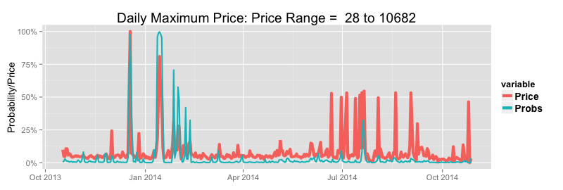
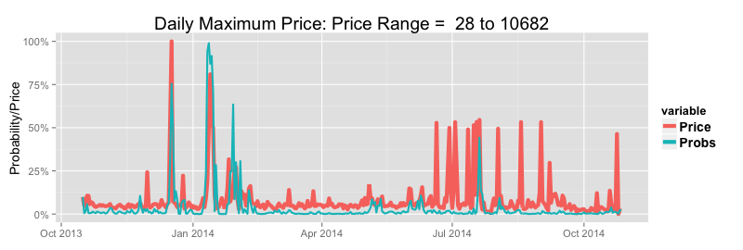
Upper Exceedance Probability Alerts |  |  |  |  |  |  |  |  |  | Prices Versus Upper 24 Hour Forcast Upper Exceedance Probabilites (Prices Scaled to Per Cent of Range) |  |  |  |  |  |  |  |  |  | Prices Versus Upper 48 Hour Forcast Upper Exceedance Probabilites (Prices Scaled to Per Cent of Range)
Maximum Daily Prices: January 2002 to Current |  | 24 Hours Ahead |  |  | 48 Hours Ahead
Probability Threshold | 30.0% | 50.0% | 70.0% | 30.0% | 50.0% | 70.0%
Maximum Price Threshold | 1000 | 1000 | 1000 | 1000 | 1000 | 1000
Average Number of Events Per Year | 15.6 | 15.6 | 15.6 | 15.6 | 15.6 | 15.6
Percentage of Events Predicted | 46.0% | 37.0% | 30.0% | 37.0% | 26.0% | 18.0%
Percentage of True Positive Predictions | 38.0% | 47.0% | 55.0% | 33.0% | 40.0% | 44.0%
Average Number of False Positives Per Year | 11.5 | 6.6 | 3.8 | 11.6 | 6.1 | 3.4
Percentage of Events Predicted Without Precedent | 57.0% | 50.0% | 44.0% | 55.0% | 49.0% | 49.0%
Summer: Average Number of Events Per Year | 4.8 | 4.8 | 4.8 | 4.8 | 4.8 | 4.8
Summer: Percentage of Events Predicted | 67.0% | 62.0% | 49.0% | 61.0% | 44.0% | 33.0%
Summer: Average Number of False Positives Per Season | 4.4 | 2.4 | 1.3 | 4.2 | 2.0 | 1.1
Winter: Average Number of Events Per Year | 3.8 | 3.8 | 3.8 | 3.7 | 3.7 | 3.7
Winter: Percentage of Events Predicted | 45.0% | 29.0% | 24.0% | 30.0% | 17.0% | 11.0%
Winter: Average Number of False Positives Per Season | 4.8 | 2.9 | 1.8 | 4.9 | 2.5 | 1.8

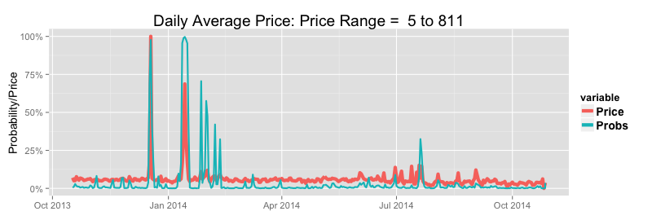
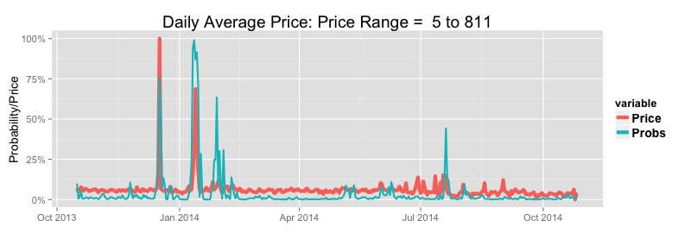
Average Daily Prices: January 2002 to Current |  | 24 Hours Ahead |  |  | 48 Hours Ahead
Probability Threshold | 30.0% | 50.0% | 70.0% | 30.0% | 50.0% | 70.0%
Maximum Price Threshold | 100 | 100 | 100 | 100 | 100 | 100
Average Number of Events Per Year | 16.6 | 16.6 | 16.6 | 16.6 | 16.6 | 16.6
Percentage of Events Predicted | 66.0% | 54.0% | 42.0% | 57.0% | 42.0% | 29.0%
Percentage of True Positive Predictions | 59.0% | 72.0% | 84.0% | 54.0% | 68.0% | 77.0%
Average Number of False Positives Per Year | 7.7 | 3.4 | 1.3 | 8.0 | 3.2 | 1.4
Percentage of Events Predicted Without Precedent | 47.0% | 38.0% | 36.0% | 42.0% | 35.0% | 31.0%
Summer: Average Number of Events Per Year | 5.4 | 5.4 | 5.4 | 5.4 | 5.4 | 5.4
Summer: Percentage of Events Predicted | 84.0% | 72.0% | 59.0% | 75.0% | 55.0% | 43.0%
Summer: Average Number of False Positives Per Season | 3.1 | 1.5 | 0.4 | 3.1 | 1.1 | 0.3
Winter: Average Number of Events Per Year | 5.1 | 5.1 | 5.1 | 5.0 | 5.0 | 5.0
Winter: Percentage of Events Predicted | 71.0% | 58.0% | 43.0% | 59.0% | 44.0% | 31.0%
Winter: Average Number of False Positives Per Season | 2.9 | 1.0 | 0.6 | 3.1 | 0.9 | 0.6

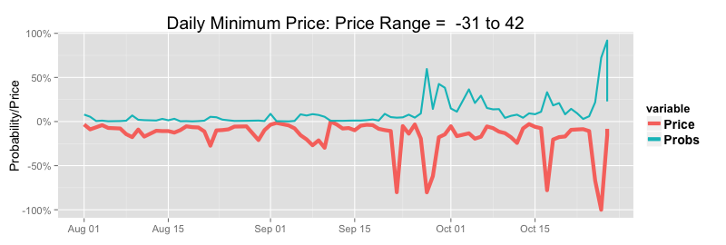
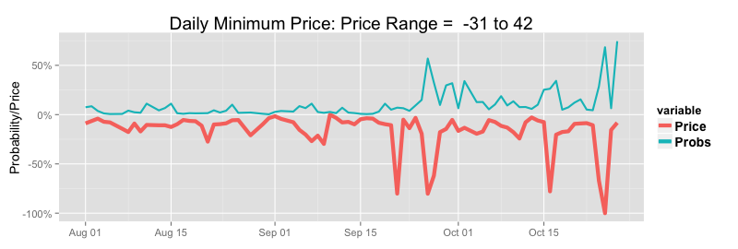
Lower Exceedance Probability Alerts |  |  |  |  |  |  |  |  |  | Prices Versus Upper 24 Hour Forcast Lower Exceedance Probabilites (Prices Scaled to Per Cent of Range) |  |  |  |  |  |  |  |  |  | Prices Versus Upper48 Hour Forcast Lower Exceedance Probabilites (Prices Scaled to Per Cent of Range)
Minimum Daily Prices: January 2002 to Current |  | 24 Hours Ahead |  |  | 48 Hours Ahead
Probability Threshold | 30.0% | 50.0% | 70.0% |  | 30.0% | 50.0% | 70.0%
Minimum Price Threshold (Pre/Post Carbon Tax) | $ 10 /$ 27 | $ 10 /$ 27 | $ 10 /$ 27 |  | $ 10 /$ 27 | $ 10 /$ 27 | $ 10 /$ 27
Average Number of Events Per Year | 41.9 | 41.9 | 41.9 |  | 41.9 | 41.9 | 41.9
Percentage of Events Predicted | 22.0% | 10.0% | 4.0% |  | 23.0% | 8.0% | 2.0%
Percentage of True Positive Predictions | 71.0% | 78.0% | 85.0% |  | 69.0% | 80.0% | 81.0%
Average Number of False Positives Per Year | 3.8 | 1.3 | 0.3 |  | 4.3 | 0.9 | 0.2
Percentage of Events Predicted Without Precedent | 37.0% | 29.0% | 23.0% |  | 39.0% | 36.0% | 8.0%

Event Probabilities & Conditional Prices | Overall Means |  |  |  | Conditional Means 24 Hours Ahead |  |  |  |  | Conditional Means 48 Hours Ahead
 |  |  |  |  | Low Price Alert |  | High Price Alert |  |  | Low Price Alert |  | High Price Alert
Threshold Probability | Daily Average | Daily Maximum | Daily Minimum |  | Daily Average | Daily Minimum | Daily Average | Daily Maximum |  | Daily Average | Daily Minimum | Daily Average | Daily Maximum
Event Probability > 0.25 | 53 | 252 | 15 |  | 23 | -51 | 254 | 2111 |  | 22 | -47 | 241 | 1890
Event Probability > 0.50 | - | - | - |  | 17 | -125 | 351 | 2904 |  | 9 | -145 | 326 | 2524
Event Probability > 07.5 | - | - | - |  | -1 | -246 | 473 | 3783 |  | -25 | -538 | 359 | 2724

Model Fit Summary

Logistic Exceedance Model RSQ (%) | 24 Hours | 48 Hours
High Price Regime Probability | 58.13 | 51.43
Low Price Regime Probability | 42.63 | 39.29

Price and Demand Models | 24 Hours Ahead |  | Absolute Percentage Errors |  |  |  | 48 Hours Ahead |  | Absolute Percentage Errors
 | RSQ | Rank RSQ | mean | median | 75 Pct | 95pct | RSQ | Rank RSQ | mean | median | 75 pct | 95pct
Price | 62.8% | 94.1% | 30.3% | 9.5% | 19.0% | 53.0% | 54.2% | 92.4% | 32.4% | 10.9% | 21.4% | 58.6%
Demand | 82.8% | - | 6.4% | - | - | - | 74.3% | - | 7.7% | - | - | -

Price Error Summary By Time and Season |  |  |  | 24 Hours Ahead |  |  |  |  |  |  |  |  |  |  | 48 Hours Ahead
 | Summer |  |  | Autum |  |  | Winter |  |  | Spring |  |  |  | Summer |  |  | Autum |  |  | Winter |  |  | Spring
Time | Median | 75th PCV | 95th PCT | Median | 75th PCT | 95th PCT | Median | 75th PCT | 95th PCT | Median | 75th PCT | 95th PCT |  | Median | 75th PCV | 95th PCT | Median | 75th PCT | 95th PCT | Median | 75th PCT | 95th PCT | Median | 75th PCT | 95th PCT
0:30:00 | 8.1% | 14.8% | 37.5% | 9.5% | 16.9% | 52.2% | 11.1% | 21.0% | 70.1% | 9.7% | 17.4% | 38.0% |  | 9.5% | 17.2% | 40.6% | 9.4% | 18.3% | 59.1% | 12.7% | 21.9% | 65.2% | 9.9% | 18.7% | 38.3%
1:00:00 | 9.3% | 16.5% | 36.1% | 10.9% | 19.1% | 47.9% | 12.9% | 23.8% | 54.4% | 11.1% | 19.9% | 36.4% |  | 10.6% | 19.0% | 41.4% | 11.1% | 19.7% | 53.8% | 14.7% | 25.1% | 54.7% | 12.2% | 21.3% | 39.6%
1:30:00 | 10.4% | 17.6% | 38.8% | 11.8% | 20.8% | 51.3% | 13.3% | 24.8% | 59.1% | 12.3% | 21.4% | 39.2% |  | 11.5% | 21.1% | 47.6% | 12.5% | 21.9% | 55.0% | 14.9% | 26.2% | 56.7% | 12.4% | 22.7% | 42.2%
2:00:00 | 10.2% | 17.4% | 37.2% | 11.2% | 20.2% | 48.4% | 12.8% | 24.2% | 53.8% | 11.0% | 20.5% | 43.2% |  | 11.2% | 19.9% | 44.2% | 11.8% | 21.7% | 49.9% | 15.1% | 25.6% | 54.9% | 12.4% | 21.0% | 45.3%
2:30:00 | 11.3% | 19.0% | 38.9% | 11.9% | 21.5% | 46.2% | 13.8% | 24.8% | 59.5% | 12.3% | 21.6% | 46.2% |  | 12.6% | 22.2% | 47.1% | 12.3% | 22.8% | 53.0% | 15.5% | 28.8% | 63.2% | 13.0% | 24.2% | 48.6%
3:00:00 | 12.2% | 21.1% | 43.1% | 12.8% | 23.4% | 50.1% | 15.0% | 26.1% | 63.6% | 13.6% | 24.8% | 48.3% |  | 14.3% | 25.0% | 51.7% | 13.8% | 25.5% | 56.7% | 16.2% | 29.3% | 65.2% | 15.2% | 27.7% | 53.5%
3:30:00 | 13.3% | 22.7% | 45.6% | 13.6% | 24.8% | 56.4% | 14.4% | 27.6% | 70.5% | 14.1% | 25.8% | 52.4% |  | 14.7% | 26.9% | 51.3% | 14.7% | 26.3% | 61.5% | 16.4% | 30.3% | 77.8% | 16.0% | 29.8% | 56.9%
4:00:00 | 14.4% | 26.2% | 51.8% | 15.2% | 26.8% | 58.5% | 15.5% | 29.2% | 72.0% | 15.5% | 28.2% | 58.7% |  | 16.3% | 29.6% | 61.8% | 15.7% | 28.6% | 66.2% | 17.6% | 32.4% | 82.7% | 18.0% | 32.3% | 63.0%
4:30:00 | 14.8% | 27.6% | 55.0% | 15.7% | 27.8% | 60.3% | 15.1% | 28.9% | 79.7% | 15.1% | 28.1% | 60.2% |  | 16.3% | 31.3% | 63.1% | 17.7% | 31.9% | 67.7% | 18.1% | 33.6% | 85.3% | 18.1% | 33.0% | 65.1%
5:00:00 | 14.0% | 25.4% | 51.6% | 15.4% | 26.9% | 61.1% | 14.6% | 27.9% | 71.5% | 14.0% | 26.8% | 61.8% |  | 16.0% | 29.6% | 62.1% | 17.3% | 30.7% | 66.3% | 17.5% | 31.7% | 82.7% | 17.4% | 32.2% | 69.1%
5:30:00 | 13.5% | 24.8% | 50.0% | 14.4% | 25.5% | 55.1% | 13.4% | 26.7% | 65.5% | 13.3% | 25.2% | 55.9% |  | 15.7% | 28.9% | 58.7% | 16.2% | 28.5% | 62.3% | 16.2% | 30.1% | 74.7% | 17.1% | 30.8% | 63.9%
6:00:00 | 13.2% | 24.0% | 48.2% | 12.6% | 22.8% | 52.5% | 12.7% | 24.7% | 60.4% | 12.8% | 23.9% | 52.0% |  | 15.6% | 28.8% | 57.4% | 14.8% | 27.5% | 59.7% | 15.6% | 28.6% | 67.6% | 15.8% | 29.1% | 59.0%
6:30:00 | 13.5% | 24.8% | 50.5% | 13.7% | 23.3% | 52.4% | 11.7% | 22.6% | 54.4% | 13.1% | 24.3% | 51.7% |  | 17.2% | 29.9% | 60.5% | 15.3% | 27.4% | 62.5% | 13.8% | 25.9% | 65.5% | 15.0% | 29.0% | 59.9%
7:00:00 | 13.3% | 24.0% | 48.6% | 13.0% | 23.2% | 52.5% | 12.1% | 21.9% | 52.3% | 12.8% | 23.6% | 47.0% |  | 16.7% | 29.2% | 56.8% | 15.2% | 26.8% | 58.3% | 14.5% | 25.9% | 58.4% | 15.2% | 27.6% | 56.2%
7:30:00 | 13.5% | 23.4% | 48.3% | 12.5% | 24.8% | 63.9% | 13.5% | 24.9% | 63.9% | 14.5% | 25.7% | 58.2% |  | 15.4% | 27.1% | 54.5% | 16.5% | 30.4% | 71.1% | 16.5% | 31.2% | 71.4% | 16.8% | 29.6% | 61.1%
8:00:00 | 9.6% | 18.7% | 37.0% | 11.3% | 20.7% | 50.7% | 13.1% | 24.4% | 54.0% | 10.6% | 18.3% | 39.8% |  | 11.5% | 21.2% | 43.9% | 12.7% | 23.7% | 57.6% | 16.3% | 29.4% | 65.6% | 12.3% | 22.1% | 39.5%
8:30:00 | 9.6% | 17.2% | 42.6% | 11.5% | 20.5% | 61.1% | 16.2% | 29.5% | 74.8% | 10.2% | 18.4% | 42.5% |  | 10.9% | 19.9% | 42.0% | 12.6% | 24.7% | 74.2% | 21.5% | 37.2% | 91.1% | 11.6% | 21.6% | 45.0%
9:00:00 | 9.1% | 16.6% | 44.8% | 9.5% | 18.6% | 60.8% | 12.7% | 23.7% | 71.2% | 8.7% | 16.3% | 41.9% |  | 9.8% | 19.1% | 42.9% | 10.1% | 21.2% | 64.1% | 15.6% | 29.2% | 78.7% | 9.9% | 18.6% | 43.3%
9:30:00 | 9.2% | 17.8% | 46.1% | 8.6% | 16.8% | 47.8% | 9.7% | 19.6% | 61.0% | 8.6% | 16.1% | 36.7% |  | 10.4% | 19.7% | 42.5% | 9.5% | 17.7% | 56.2% | 11.2% | 21.1% | 65.5% | 9.3% | 16.6% | 39.1%
10:00:00 | 9.8% | 19.0% | 51.6% | 9.6% | 19.2% | 52.4% | 11.3% | 21.9% | 64.0% | 9.0% | 17.7% | 44.8% |  | 11.1% | 20.5% | 51.8% | 10.5% | 20.6% | 53.6% | 13.1% | 22.7% | 70.4% | 10.1% | 17.9% | 39.9%
10:30:00 | 9.9% | 18.8% | 64.9% | 9.1% | 17.9% | 47.8% | 9.4% | 18.4% | 47.8% | 9.4% | 17.2% | 36.9% |  | 11.2% | 21.0% | 57.4% | 9.6% | 18.9% | 53.0% | 11.6% | 21.1% | 54.2% | 9.6% | 17.0% | 37.6%
11:00:00 | 10.9% | 20.6% | 81.0% | 9.4% | 18.5% | 52.2% | 9.5% | 18.4% | 48.4% | 9.6% | 17.3% | 44.6% |  | 12.5% | 23.0% | 76.2% | 10.3% | 19.4% | 53.3% | 11.7% | 21.7% | 51.5% | 10.1% | 18.4% | 43.5%
11:30:00 | 11.1% | 21.4% | 85.0% | 8.9% | 16.9% | 48.7% | 8.4% | 16.4% | 41.6% | 9.7% | 17.3% | 47.5% |  | 12.3% | 24.7% | 91.9% | 9.8% | 18.7% | 53.2% | 10.6% | 19.4% | 44.7% | 9.8% | 18.2% | 47.7%
12:00:00 | 11.4% | 22.9% | 87.1% | 8.9% | 17.4% | 53.7% | 8.6% | 16.4% | 41.4% | 9.4% | 17.6% | 52.1% |  | 12.5% | 26.6% | 95.4% | 9.9% | 18.9% | 59.8% | 10.5% | 18.5% | 45.4% | 9.9% | 18.4% | 49.4%
12:30:00 | 11.8% | 24.8% | 106.1% | 9.4% | 18.2% | 57.3% | 8.9% | 16.4% | 41.9% | 9.8% | 17.6% | 45.9% |  | 13.4% | 27.6% | 115.8% | 10.3% | 19.8% | 62.2% | 10.4% | 18.5% | 43.3% | 10.1% | 18.2% | 43.6%
13:00:00 | 11.3% | 23.1% | 95.9% | 7.8% | 16.7% | 58.9% | 8.1% | 15.0% | 39.1% | 8.8% | 15.7% | 43.4% |  | 12.7% | 26.6% | 117.9% | 9.6% | 17.9% | 58.5% | 8.7% | 16.3% | 40.0% | 9.3% | 16.6% | 43.3%
13:30:00 | 10.8% | 25.1% | 125.9% | 8.0% | 15.6% | 53.3% | 7.5% | 14.2% | 35.8% | 8.6% | 15.9% | 46.1% |  | 13.2% | 28.6% | 154.1% | 9.3% | 17.7% | 55.3% | 8.5% | 14.9% | 39.4% | 8.9% | 16.3% | 52.7%
14:00:00 | 10.0% | 23.3% | 109.6% | 7.2% | 14.2% | 51.5% | 6.6% | 12.5% | 34.3% | 7.7% | 14.0% | 47.9% |  | 12.6% | 28.2% | 138.2% | 8.8% | 16.6% | 59.0% | 7.4% | 14.1% | 35.6% | 8.3% | 15.9% | 46.3%
14:30:00 | 9.0% | 20.5% | 103.3% | 6.3% | 12.7% | 49.7% | 5.5% | 10.9% | 27.7% | 6.6% | 12.5% | 42.2% |  | 11.1% | 24.4% | 138.4% | 7.5% | 14.1% | 55.5% | 6.3% | 12.1% | 30.1% | 7.5% | 13.8% | 39.0%
15:00:00 | 8.7% | 19.6% | 124.9% | 6.4% | 11.9% | 44.6% | 5.6% | 10.7% | 25.1% | 6.5% | 12.2% | 35.8% |  | 11.5% | 24.3% | 142.1% | 7.5% | 13.9% | 50.5% | 6.3% | 12.0% | 28.2% | 7.5% | 13.7% | 37.4%
15:30:00 | 8.3% | 17.9% | 123.0% | 5.2% | 10.0% | 39.8% | 5.0% | 9.1% | 20.3% | 5.6% | 10.4% | 27.2% |  | 10.7% | 22.0% | 139.1% | 6.3% | 12.0% | 46.1% | 5.5% | 9.9% | 22.5% | 6.7% | 11.3% | 30.5%
16:00:00 | 7.1% | 15.9% | 114.7% | 4.6% | 8.2% | 33.7% | 4.0% | 7.4% | 18.2% | 4.7% | 8.4% | 24.9% |  | 9.1% | 20.5% | 129.7% | 5.5% | 10.2% | 37.3% | 4.6% | 8.4% | 18.2% | 5.4% | 9.6% | 25.2%
16:30:00 | 6.9% | 14.9% | 123.2% | 4.2% | 8.2% | 34.5% | 3.7% | 6.8% | 16.1% | 4.2% | 7.9% | 25.1% |  | 8.6% | 19.9% | 149.6% | 4.9% | 9.4% | 37.1% | 4.3% | 7.5% | 17.2% | 4.7% | 8.8% | 24.0%
17:00:00 | 6.9% | 14.3% | 101.2% | 4.5% | 8.5% | 38.4% | 4.2% | 7.7% | 18.6% | 4.5% | 8.3% | 25.5% |  | 9.4% | 19.3% | 121.6% | 5.2% | 9.7% | 38.5% | 4.8% | 8.4% | 19.9% | 5.3% | 9.2% | 27.6%
17:30:00 | 7.3% | 15.1% | 89.4% | 4.8% | 9.5% | 32.6% | 5.1% | 9.3% | 22.6% | 5.0% | 9.2% | 26.9% |  | 9.5% | 19.9% | 107.5% | 5.5% | 10.9% | 33.8% | 5.8% | 10.3% | 24.2% | 5.6% | 10.1% | 27.8%
18:00:00 | 7.6% | 15.2% | 90.8% | 6.1% | 12.1% | 38.2% | 8.1% | 15.1% | 42.9% | 5.9% | 10.2% | 23.1% |  | 9.9% | 19.5% | 114.2% | 7.1% | 13.2% | 42.9% | 8.6% | 15.9% | 43.0% | 6.4% | 11.4% | 24.6%
18:30:00 | 6.7% | 12.8% | 62.9% | 7.4% | 16.5% | 62.1% | 12.4% | 28.7% | 140.8% | 5.4% | 9.6% | 24.0% |  | 8.4% | 17.0% | 80.2% | 8.3% | 19.4% | 70.8% | 13.8% | 31.8% | 144.3% | 6.0% | 10.5% | 25.5%
19:00:00 | 6.4% | 11.5% | 45.3% | 8.2% | 18.4% | 72.7% | 15.8% | 34.9% | 191.4% | 6.2% | 11.3% | 33.0% |  | 8.1% | 15.7% | 57.8% | 9.3% | 20.9% | 76.8% | 17.8% | 40.6% | 198.0% | 7.0% | 12.5% | 33.6%
19:30:00 | 7.9% | 14.3% | 51.5% | 9.7% | 19.0% | 65.2% | 18.3% | 36.2% | 120.7% | 9.2% | 17.7% | 53.4% |  | 10.3% | 19.4% | 63.3% | 10.2% | 21.8% | 74.3% | 20.6% | 40.1% | 139.3% | 10.5% | 19.2% | 59.8%
20:00:00 | 8.8% | 17.3% | 55.2% | 9.9% | 17.2% | 44.1% | 16.1% | 30.8% | 87.7% | 9.9% | 17.4% | 42.0% |  | 11.7% | 20.8% | 67.8% | 10.0% | 18.6% | 53.0% | 18.1% | 31.1% | 78.9% | 10.6% | 18.6% | 43.8%
20:30:00 | 9.8% | 18.1% | 52.2% | 10.4% | 18.5% | 45.2% | 16.2% | 29.7% | 69.4% | 10.9% | 18.2% | 38.0% |  | 12.9% | 22.8% | 61.5% | 11.2% | 19.8% | 52.2% | 18.1% | 31.8% | 75.3% | 11.5% | 19.1% | 37.0%
21:00:00 | 8.4% | 15.8% | 46.4% | 8.6% | 16.4% | 44.2% | 12.3% | 23.9% | 75.3% | 8.6% | 16.2% | 34.0% |  | 9.7% | 20.3% | 53.5% | 8.6% | 16.7% | 51.1% | 13.6% | 25.8% | 80.2% | 8.6% | 15.7% | 36.2%
21:30:00 | 8.2% | 15.4% | 45.6% | 8.4% | 15.8% | 41.2% | 12.9% | 23.0% | 66.1% | 8.4% | 15.8% | 31.7% |  | 9.2% | 19.8% | 52.2% | 8.7% | 16.4% | 46.9% | 13.7% | 25.4% | 73.7% | 8.8% | 16.1% | 33.4%
22:00:00 | 8.2% | 15.1% | 39.4% | 8.1% | 14.6% | 40.8% | 12.1% | 21.2% | 57.3% | 8.4% | 15.4% | 32.8% |  | 9.3% | 18.7% | 49.6% | 8.5% | 15.5% | 48.3% | 13.9% | 24.0% | 60.6% | 9.3% | 16.0% | 32.0%
22:30:00 | 9.9% | 16.9% | 41.4% | 8.8% | 15.8% | 40.5% | 12.5% | 22.2% | 54.6% | 10.0% | 16.8% | 33.9% |  | 11.2% | 20.3% | 52.2% | 9.8% | 17.3% | 41.5% | 14.4% | 24.9% | 59.4% | 10.7% | 18.4% | 34.7%
23:00:00 | 8.1% | 14.3% | 34.1% | 8.4% | 16.0% | 47.7% | 11.9% | 22.7% | 63.3% | 8.9% | 16.5% | 34.4% |  | 9.0% | 17.2% | 41.1% | 9.1% | 17.1% | 55.2% | 13.3% | 25.1% | 69.4% | 9.6% | 17.0% | 33.6%
23:30:00 | 9.2% | 16.6% | 36.0% | 9.7% | 17.5% | 43.0% | 12.5% | 23.1% | 52.4% | 10.3% | 17.9% | 35.3% |  | 9.9% | 18.9% | 44.5% | 9.8% | 18.6% | 49.4% | 14.3% | 25.7% | 55.0% | 10.7% | 19.5% | 37.2%
1900-01-01 00:00:00 | 9.1% | 16.5% | 38.2% | 10.0% | 19.4% | 55.3% | 12.0% | 23.4% | 60.5% | 10.6% | 18.4% | 41.1% |  | 9.4% | 18.1% | 43.4% | 10.1% | 20.8% | 66.0% | 14.8% | 25.7% | 59.9% | 10.3% | 18.5% | 42.2%

Demand Error Summary By Time and Season | 24 Hours Ahead |  |  |  | 48 Hours Ahead
Time | Summer | Autumn | Winter | Spring | Summer | Autumn | Winter | Spring
0:30:00 | 6.7% | 6.0% | 6.1% | 6.7% | 7.8% | 6.4% | 6.6% | 7.1%
1:00:00 | 6.8% | 5.9% | 6.0% | 6.5% | 8.1% | 6.3% | 6.7% | 7.0%
1:30:00 | 7.1% | 5.9% | 5.8% | 6.5% | 8.5% | 6.4% | 6.6% | 7.0%
2:00:00 | 7.6% | 6.3% | 5.9% | 6.8% | 9.1% | 6.8% | 6.8% | 7.4%
2:30:00 | 7.8% | 6.4% | 6.1% | 6.9% | 9.6% | 7.1% | 7.3% | 7.6%
3:00:00 | 8.0% | 6.6% | 6.4% | 7.1% | 9.9% | 7.5% | 7.8% | 8.1%
3:30:00 | 8.1% | 6.7% | 6.6% | 7.2% | 10.1% | 7.8% | 8.2% | 8.3%
4:00:00 | 8.2% | 6.8% | 6.6% | 7.3% | 10.2% | 8.1% | 8.6% | 8.5%
4:30:00 | 8.2% | 6.8% | 6.7% | 7.4% | 10.2% | 8.2% | 8.9% | 8.7%
5:00:00 | 8.0% | 6.7% | 6.8% | 7.3% | 9.9% | 8.2% | 9.0% | 8.7%
5:30:00 | 7.8% | 6.5% | 6.8% | 7.0% | 9.4% | 8.0% | 9.0% | 8.3%
6:00:00 | 6.5% | 5.5% | 6.2% | 6.0% | 8.7% | 7.4% | 8.4% | 7.7%
6:30:00 | 6.2% | 5.1% | 5.6% | 5.6% | 8.0% | 6.5% | 7.4% | 7.0%
7:00:00 | 6.6% | 5.2% | 5.2% | 5.7% | 8.1% | 6.3% | 6.6% | 7.0%
7:30:00 | 7.3% | 5.8% | 5.4% | 6.4% | 8.8% | 6.8% | 6.3% | 7.8%
8:00:00 | 7.8% | 6.7% | 6.5% | 7.1% | 9.1% | 7.9% | 8.0% | 8.6%
8:30:00 | 8.0% | 7.2% | 8.2% | 7.4% | 8.7% | 8.5% | 10.5% | 8.4%
9:00:00 | 8.3% | 7.4% | 8.6% | 7.5% | 8.8% | 8.6% | 10.7% | 8.2%
9:30:00 | 8.5% | 7.1% | 7.8% | 7.2% | 9.1% | 7.9% | 9.1% | 7.7%
10:00:00 | 8.2% | 6.7% | 7.1% | 7.1% | 9.3% | 7.2% | 7.5% | 7.1%
10:30:00 | 8.1% | 6.4% | 6.6% | 6.8% | 9.4% | 6.9% | 6.6% | 6.9%
11:00:00 | 8.3% | 6.2% | 6.1% | 6.8% | 9.8% | 6.8% | 6.1% | 6.9%
11:30:00 | 8.4% | 6.2% | 5.9% | 6.6% | 10.1% | 6.8% | 5.8% | 6.8%
12:00:00 | 8.6% | 6.1% | 5.7% | 6.5% | 10.4% | 6.9% | 5.7% | 6.9%
12:30:00 | 8.7% | 6.0% | 5.7% | 6.3% | 10.7% | 7.0% | 5.7% | 7.0%
13:00:00 | 8.9% | 6.0% | 5.7% | 6.4% | 11.0% | 7.2% | 5.8% | 7.2%
13:30:00 | 9.0% | 5.9% | 5.6% | 6.3% | 11.3% | 7.2% | 5.7% | 7.3%
14:00:00 | 9.3% | 6.0% | 5.7% | 6.5% | 12.1% | 7.6% | 6.0% | 8.0%
14:30:00 | 9.3% | 6.0% | 5.6% | 6.4% | 12.3% | 7.7% | 5.9% | 8.0%
15:00:00 | 9.3% | 6.0% | 5.5% | 6.3% | 12.4% | 8.0% | 6.0% | 8.1%
15:30:00 | 9.3% | 6.0% | 5.4% | 6.1% | 12.6% | 8.1% | 5.9% | 8.1%
16:00:00 | 9.4% | 5.9% | 5.3% | 6.0% | 12.9% | 8.1% | 5.7% | 8.0%
16:30:00 | 9.2% | 5.7% | 5.1% | 5.8% | 12.9% | 7.9% | 5.6% | 7.8%
17:00:00 | 9.0% | 5.5% | 5.1% | 5.6% | 12.8% | 7.6% | 5.4% | 7.6%
17:30:00 | 8.8% | 5.2% | 5.1% | 5.3% | 12.6% | 7.2% | 5.4% | 7.3%
18:00:00 | 8.7% | 5.1% | 5.2% | 5.3% | 12.6% | 6.8% | 5.3% | 7.0%
18:30:00 | 8.4% | 4.8% | 4.6% | 5.3% | 12.2% | 6.3% | 4.9% | 6.6%
19:00:00 | 8.3% | 4.5% | 4.3% | 5.4% | 12.0% | 6.1% | 4.7% | 6.4%
19:30:00 | 8.0% | 4.5% | 4.4% | 5.5% | 11.7% | 5.9% | 4.8% | 6.3%
20:00:00 | 7.6% | 4.3% | 4.5% | 5.6% | 11.4% | 5.5% | 4.9% | 6.3%
20:30:00 | 7.2% | 4.3% | 4.6% | 5.9% | 10.8% | 5.2% | 5.0% | 6.1%
21:00:00 | 6.5% | 4.5% | 5.0% | 6.2% | 9.2% | 5.7% | 5.7% | 6.1%
21:30:00 | 6.2% | 4.5% | 5.0% | 6.3% | 8.7% | 5.4% | 5.6% | 6.0%
22:00:00 | 6.1% | 4.4% | 4.7% | 6.3% | 8.7% | 5.1% | 5.0% | 6.0%
22:30:00 | 6.1% | 4.4% | 4.7% | 6.4% | 8.6% | 4.9% | 4.9% | 6.0%
23:00:00 | 6.2% | 4.6% | 4.6% | 6.6% | 8.7% | 5.0% | 4.7% | 6.3%
23:30:00 | 6.3% | 4.7% | 4.6% | 6.7% | 8.5% | 5.0% | 4.8% | 6.3%
1900-01-01 00:00:00 | 6.2% | 4.7% | 4.7% | 6.6% | 7.7% | 4.9% | 5.1% | 6.0%

Historical Vic
Victoria

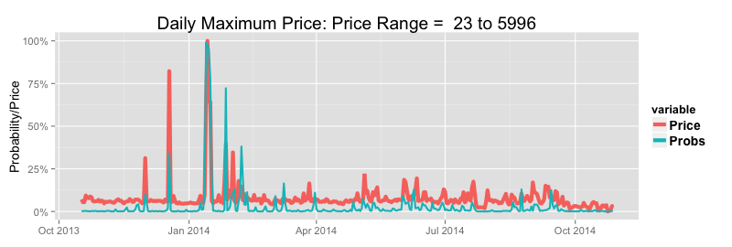
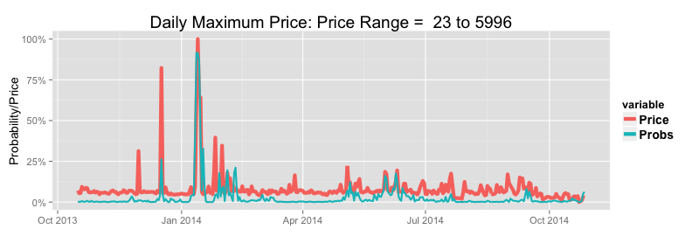
Upper Exceedance Probability Alerts |  |  |  |  |  |  |  |  |  | Prices Versus Upper 24 Hour Forcast Upper Exceedance Probabilites (Prices Scaled to Per Cent of Range) |  |  |  |  |  |  |  |  |  | Prices Versus Upper 48 Hour Forcast Upper Exceedance Probabilites (Prices Scaled to Per Cent of Range)
Maximum Daily Prices: January 2002 to Current |  | 24 Hours Ahead |  |  | 48 Hours Ahead
Probability Threshold | 30.0% | 50.0% | 70.0% | 30.0% | 50.0% | 70.0%
Maximum Price Threshold | 1000 | 1000 | 1000 | 1000 | 1000 | 1000
Average Number of Events Per Year | 8.3 | 8.3 | 8.3 | 8.3 | 8.3 | 8.3
Percentage of Events Predicted | 77.0% | 64.0% | 49.0% | 61.0% | 44.0% | 34.0%
Percentage of True Positive Predictions | 26.0% | 34.0% | 42.0% | 24.0% | 28.0% | 38.0%
Average Number of False Positives Per Year | 18.1 | 10.3 | 5.7 | 16.1 | 9.3 | 4.7
Percentage of Events Predicted Without Precedent | 65.0% | 57.0% | 46.0% | 57.0% | 51.0% | 53.0%
Summer: Average Number of Events Per Year | 3.2 | 3.2 | 3.2 | 3.2 | 3.2 | 3.2
Summer: Percentage of Events Predicted | 83.0% | 71.0% | 54.0% | 66.0% | 51.0% | 34.0%
Summer: Average Number of False Positives Per Season | 3.4 | 2.3 | 1.2 | 3.1 | 1.9 | 1.2
Winter: Average Number of Events Per Year | 2.4 | 2.4 | 2.4 | 2.3 | 2.3 | 2.3
Winter: Percentage of Events Predicted | 94.0% | 84.0% | 68.0% | 80.0% | 63.0% | 57.0%
Winter: Average Number of False Positives Per Season | 9.9 | 5.3 | 3.4 | 9.1 | 5.3 | 2.8

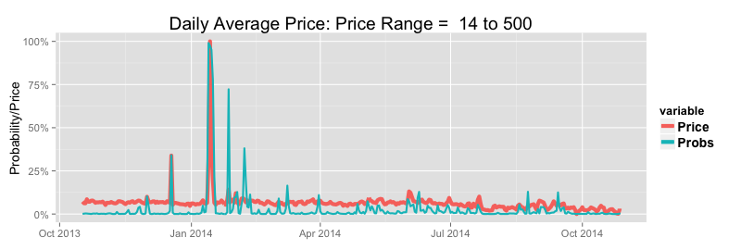
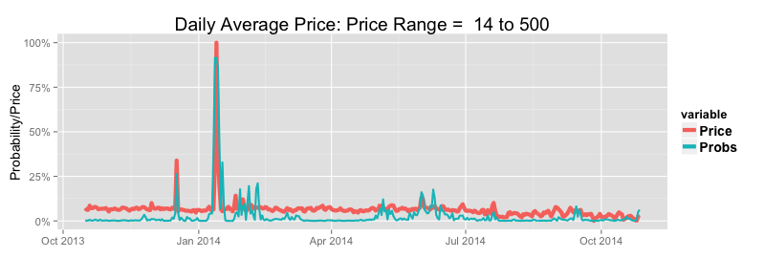
Average Daily Prices: January 2002 to Current |  | 24 Hours Ahead |  |  | 48 Hours Ahead
Probability Threshold | 30.0% | 50.0% | 70.0% | 30.0% | 50.0% | 70.0%
Maximum Price Threshold | 100 | 100 | 100 | 100 | 100 | 100
Average Number of Events Per Year | 9.8 | 9.8 | 9.8 | 9.9 | 9.9 | 9.9
Percentage of Events Predicted | 90.0% | 81.0% | 64.0% | 77.0% | 63.0% | 48.0%
Percentage of True Positive Predictions | 36.0% | 51.0% | 65.0% | 36.0% | 48.0% | 64.0%
Average Number of False Positives Per Year | 15.7 | 7.7 | 3.4 | 13.6 | 6.8 | 2.7
Percentage of Events Predicted Without Precedent | 57.0% | 53.0% | 46.0% | 51.0% | 47.0% | 43.0%
Summer: Average Number of Events Per Year | 3.4 | 3.4 | 3.4 | 3.4 | 3.4 | 3.4
Summer: Percentage of Events Predicted | 88.0% | 79.0% | 63.0% | 74.0% | 60.0% | 44.0%
Summer: Average Number of False Positives Per Season | 3.1 | 1.9 | 0.8 | 2.7 | 1.5 | 0.8
Winter: Average Number of Events Per Year | 3.6 | 3.6 | 3.6 | 3.5 | 3.5 | 3.5
Winter: Percentage of Events Predicted | 98.0% | 96.0% | 83.0% | 89.0% | 80.0% | 73.0%
Winter: Average Number of False Positives Per Season | 8.7 | 3.9 | 2.0 | 7.8 | 4.0 | 1.6

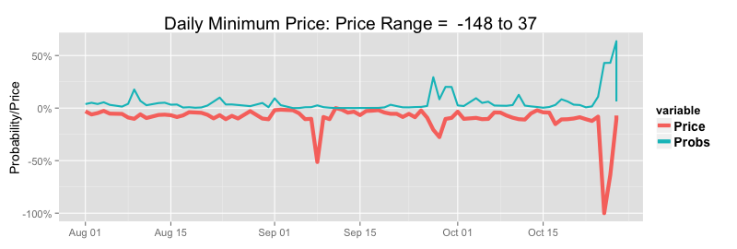
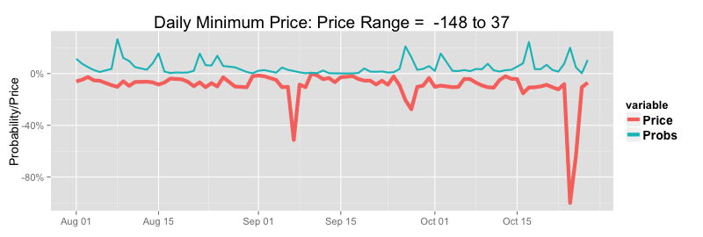
Lower Exceedance Probability Alerts |  |  |  |  |  |  |  |  |  | Prices Versus Upper 24 Hour Forcast Lower Exceedance Probabilites (Prices Scaled to Per Cent of Range) |  |  |  |  |  |  |  |  |  | Prices Versus Upper48 Hour Forcast Lower Exceedance Probabilites (Prices Scaled to Per Cent of Range)
Minimum Daily Prices: January 2002 to Current |  | 24 Hours Ahead |  |  | 48 Hours Ahead
Probability Threshold | 30.0% | 50.0% | 70.0% |  | 30.0% | 50.0% | 70.0%
Minimum Price Threshold (Pre/Post Carbon Tax) | $ 10 /$ 35 | $ 10 /$ 35 | $ 10 /$ 35 |  | $ 10 /$ 35 | $ 10 /$ 35 | $ 10 /$ 35
Average Number of Events Per Year | 41.5 | 41.5 | 41.5 |  | 41.5 | 41.5 | 41.5
Percentage of Events Predicted | 31.0% | 19.0% | 9.0% |  | 25.0% | 15.0% | 6.0%
Percentage of True Positive Predictions | 65.0% | 80.0% | 94.0% |  | 65.0% | 83.0% | 97.0%
Average Number of False Positives Per Year | 7.1 | 2.0 | 0.2 |  | 5.7 | 1.3 | 0.1
Percentage of Events Predicted Without Precedent | 35.0% | 29.0% | 24.0% |  | 37.0% | 26.0% | 18.0%

Event Probabilities & Conditional Prices | Overall Means |  |  |  | Conditional Means 24 Hours Ahead |  |  |  |  | Conditional Means 48 Hours Ahead
 |  |  |  |  | Low Price Alert |  | High Price Alert |  |  | Low Price Alert |  | High Price Alert
Threshold Probability | Daily Average | Daily Maximum | Daily Minimum |  | Daily Average | Daily Minimum | Daily Average | Daily Maximum |  | Daily Average | Daily Minimum | Daily Average | Daily Maximum
Event Probability > 0.25 | 43 | 163 | 19 |  | 23 | -2 | 134 | 1229 |  | 23 | -2 | 125 | 1109
Event Probability > 0.50 | - | - | - |  | 22 | -12 | 182 | 1775 |  | 21 | -16 | 167 | 1498
Event Probability > 07.5 | - | - | - |  | 20 | -15 | 239 | 2419 |  | 18 | -47 | 220 | 1967

Model Fit Summary

Logistic Exceedance Model RSQ (%) | 24 Hours | 48 Hours
High Price Regime Probability | 65.46 | 59
Low Price Regime Probability | 48.27 | 44.52

Price and Demand Models | 24 Hours Ahead |  | Absolute Percentage Errors |  |  |  | 48 Hours Ahead |  | Absolute Percentage Errors
 | RSQ | Rank RSQ | mean | median | 75 Pct | 95pct | RSQ | Rank RSQ | mean | median | 75 pct | 95pct
Price | 59.9% | 95.4% | 22.6% | 8.9% | 17.6% | 46.0% | 54.5% | 94.0% | 24.6% | 10.4% | 20.1% | 51.2%
Demand | 86.2% | - | 4.3% | - | - | - | 80.1% | - | 5.2% | - | - | -

Price Error Summary By Time and Season |  |  |  | 24 Hours Ahead |  |  |  |  |  |  |  |  |  |  | 48 Hours Ahead
 | Summer |  |  | Autum |  |  | Winter |  |  | Spring |  |  |  | Summer |  |  | Autum |  |  | Winter |  |  | Spring
Time | Median | 75th PCV | 95th PCT | Median | 75th PCT | 95th PCT | Median | 75th PCT | 95th PCT | Median | 75th PCT | 95th PCT |  | Median | 75th PCV | 95th PCT | Median | 75th PCT | 95th PCT | Median | 75th PCT | 95th PCT | Median | 75th PCT | 95th PCT
0:30:00 | 9.0% | 16.2% | 33.9% | 10.4% | 18.7% | 45.9% | 12.9% | 24.5% | 60.6% | 9.5% | 17.8% | 37.1% |  | 10.3% | 18.3% | 37.5% | 11.1% | 19.8% | 47.5% | 14.4% | 25.2% | 62.2% | 10.8% | 19.2% | 41.6%
1:00:00 | 9.2% | 16.5% | 31.8% | 10.3% | 18.6% | 41.0% | 13.1% | 23.6% | 54.0% | 10.0% | 18.2% | 34.8% |  | 10.9% | 18.8% | 35.8% | 11.3% | 19.5% | 44.2% | 13.4% | 24.2% | 54.7% | 10.9% | 19.6% | 38.1%
1:30:00 | 9.5% | 17.1% | 33.1% | 10.7% | 18.6% | 34.6% | 13.0% | 22.4% | 50.8% | 10.2% | 18.5% | 34.2% |  | 11.4% | 19.2% | 36.3% | 11.2% | 19.4% | 40.4% | 14.0% | 24.5% | 50.4% | 11.3% | 19.4% | 37.1%
2:00:00 | 8.9% | 15.9% | 33.0% | 10.1% | 18.4% | 40.0% | 12.3% | 22.1% | 47.3% | 10.0% | 18.2% | 34.5% |  | 10.3% | 18.1% | 37.1% | 10.7% | 20.3% | 43.7% | 13.5% | 24.0% | 53.0% | 11.7% | 19.8% | 37.8%
2:30:00 | 9.6% | 17.2% | 33.5% | 10.9% | 18.9% | 36.9% | 12.1% | 22.4% | 48.8% | 10.6% | 18.9% | 36.7% |  | 11.6% | 19.6% | 38.6% | 11.6% | 20.7% | 41.5% | 13.9% | 24.6% | 49.2% | 11.6% | 21.5% | 38.8%
3:00:00 | 10.7% | 18.6% | 36.0% | 11.0% | 19.4% | 39.3% | 12.7% | 22.4% | 45.9% | 11.6% | 20.2% | 38.1% |  | 13.0% | 22.2% | 42.9% | 12.2% | 21.4% | 43.3% | 14.6% | 25.8% | 48.2% | 13.1% | 23.0% | 41.3%
3:30:00 | 11.5% | 19.7% | 38.1% | 11.4% | 19.9% | 40.0% | 13.0% | 22.2% | 47.3% | 11.8% | 20.3% | 36.9% |  | 13.2% | 23.3% | 45.4% | 12.4% | 22.3% | 44.0% | 14.3% | 24.3% | 52.2% | 13.5% | 23.3% | 42.7%
4:00:00 | 12.0% | 21.5% | 40.4% | 11.9% | 20.7% | 41.6% | 12.2% | 21.0% | 47.4% | 11.6% | 21.2% | 40.3% |  | 14.2% | 25.0% | 48.0% | 13.3% | 23.5% | 49.7% | 14.1% | 25.5% | 55.3% | 14.0% | 25.1% | 45.7%
4:30:00 | 11.6% | 21.1% | 41.7% | 12.6% | 22.4% | 43.2% | 12.6% | 22.0% | 50.6% | 12.2% | 21.3% | 40.5% |  | 14.2% | 25.2% | 48.6% | 13.4% | 25.0% | 49.4% | 13.7% | 25.8% | 58.0% | 14.3% | 24.7% | 48.1%
5:00:00 | 11.6% | 20.3% | 41.2% | 12.2% | 21.0% | 43.8% | 12.1% | 21.9% | 46.1% | 11.1% | 20.2% | 38.8% |  | 13.9% | 24.3% | 47.1% | 13.3% | 24.3% | 50.9% | 13.1% | 24.9% | 55.0% | 13.4% | 23.2% | 46.6%
5:30:00 | 11.2% | 20.5% | 41.5% | 11.2% | 19.0% | 37.6% | 11.2% | 20.3% | 44.3% | 10.0% | 18.5% | 39.2% |  | 13.1% | 23.2% | 43.8% | 12.5% | 22.3% | 46.0% | 13.1% | 22.8% | 52.4% | 13.0% | 22.8% | 46.1%
6:00:00 | 10.8% | 19.4% | 44.0% | 10.3% | 17.8% | 40.5% | 10.0% | 18.5% | 39.2% | 10.1% | 18.1% | 38.1% |  | 12.0% | 23.3% | 48.9% | 12.8% | 21.9% | 47.2% | 12.1% | 21.4% | 47.9% | 12.6% | 22.9% | 42.6%
6:30:00 | 11.7% | 22.2% | 48.1% | 10.2% | 18.6% | 41.0% | 9.1% | 17.5% | 38.9% | 10.8% | 19.8% | 41.5% |  | 14.4% | 25.4% | 50.5% | 12.3% | 22.6% | 49.4% | 10.5% | 19.1% | 44.2% | 12.7% | 24.0% | 46.8%
7:00:00 | 11.6% | 21.8% | 47.5% | 10.0% | 18.8% | 43.5% | 10.4% | 19.3% | 43.0% | 10.8% | 21.3% | 45.4% |  | 14.6% | 26.5% | 50.9% | 12.6% | 23.0% | 49.1% | 12.6% | 23.0% | 52.7% | 13.7% | 24.5% | 52.5%
7:30:00 | 12.0% | 22.1% | 52.4% | 11.4% | 23.7% | 65.3% | 13.3% | 25.7% | 63.4% | 12.7% | 24.8% | 57.2% |  | 14.0% | 26.0% | 58.5% | 14.8% | 29.3% | 77.7% | 17.6% | 32.1% | 77.2% | 15.7% | 29.4% | 65.4%
8:00:00 | 9.3% | 18.6% | 41.6% | 10.5% | 19.8% | 52.3% | 14.5% | 26.1% | 61.1% | 10.8% | 18.8% | 40.1% |  | 10.9% | 20.5% | 44.7% | 11.7% | 23.4% | 59.3% | 18.9% | 33.2% | 72.9% | 12.3% | 22.8% | 44.1%
8:30:00 | 8.1% | 15.8% | 41.2% | 9.4% | 18.7% | 53.9% | 16.1% | 29.6% | 75.1% | 9.6% | 17.7% | 41.4% |  | 9.3% | 17.5% | 37.2% | 10.6% | 22.5% | 60.3% | 21.6% | 37.7% | 88.6% | 10.4% | 19.7% | 47.7%
9:00:00 | 8.3% | 16.0% | 42.6% | 7.9% | 16.5% | 48.5% | 13.2% | 23.7% | 64.0% | 9.0% | 17.8% | 43.8% |  | 9.1% | 17.6% | 41.8% | 9.1% | 19.0% | 48.8% | 15.3% | 28.8% | 74.9% | 9.3% | 18.0% | 46.7%
9:30:00 | 8.3% | 16.4% | 43.0% | 7.3% | 14.4% | 39.7% | 9.5% | 19.2% | 54.8% | 7.8% | 16.6% | 37.3% |  | 9.9% | 18.3% | 41.5% | 8.0% | 15.8% | 42.1% | 11.2% | 21.1% | 58.0% | 8.3% | 16.0% | 37.7%
10:00:00 | 9.4% | 17.3% | 49.9% | 8.3% | 15.9% | 44.7% | 10.7% | 20.7% | 60.2% | 8.9% | 17.3% | 46.6% |  | 10.8% | 19.3% | 44.6% | 9.0% | 17.2% | 46.6% | 12.1% | 21.9% | 60.3% | 9.4% | 17.8% | 45.9%
10:30:00 | 9.6% | 18.4% | 56.7% | 8.0% | 14.8% | 47.2% | 8.6% | 16.3% | 47.7% | 8.7% | 16.9% | 39.9% |  | 11.4% | 20.9% | 49.3% | 8.4% | 17.0% | 51.0% | 11.2% | 20.5% | 52.2% | 9.1% | 16.4% | 37.4%
11:00:00 | 9.4% | 18.9% | 69.1% | 8.2% | 15.0% | 44.9% | 8.7% | 17.0% | 43.1% | 8.4% | 16.7% | 44.5% |  | 11.6% | 21.6% | 64.7% | 8.7% | 17.1% | 47.8% | 11.0% | 19.3% | 48.9% | 9.2% | 16.5% | 44.3%
11:30:00 | 9.2% | 19.2% | 68.9% | 7.4% | 13.8% | 38.6% | 7.3% | 13.7% | 34.7% | 8.3% | 15.6% | 43.6% |  | 11.1% | 21.9% | 74.2% | 8.6% | 15.9% | 45.7% | 9.2% | 17.2% | 39.4% | 8.6% | 16.5% | 45.0%
12:00:00 | 9.9% | 20.7% | 75.8% | 7.8% | 14.3% | 36.6% | 7.1% | 14.1% | 37.2% | 8.3% | 16.0% | 45.8% |  | 11.8% | 23.9% | 74.7% | 8.8% | 16.3% | 44.0% | 9.2% | 16.6% | 42.5% | 8.7% | 16.8% | 45.0%
12:30:00 | 10.3% | 21.8% | 86.7% | 7.2% | 13.8% | 38.1% | 7.1% | 14.3% | 38.2% | 8.3% | 16.3% | 42.4% |  | 12.0% | 24.2% | 87.3% | 8.8% | 16.0% | 46.2% | 8.7% | 15.7% | 40.3% | 8.6% | 16.2% | 40.8%
13:00:00 | 10.5% | 23.8% | 91.7% | 7.0% | 13.5% | 39.1% | 6.9% | 13.4% | 37.9% | 7.7% | 16.3% | 43.7% |  | 13.1% | 26.8% | 100.0% | 8.3% | 16.1% | 47.2% | 8.1% | 14.9% | 36.3% | 8.6% | 16.7% | 45.1%
13:30:00 | 10.2% | 24.5% | 99.3% | 6.6% | 13.1% | 37.8% | 6.4% | 12.3% | 32.7% | 7.3% | 14.5% | 40.0% |  | 12.7% | 27.3% | 107.9% | 8.1% | 15.5% | 42.8% | 7.3% | 13.6% | 33.0% | 7.9% | 15.3% | 47.8%
14:00:00 | 10.2% | 23.9% | 106.8% | 6.3% | 13.0% | 44.3% | 6.1% | 12.0% | 36.7% | 6.7% | 14.9% | 41.5% |  | 13.3% | 27.9% | 118.1% | 8.0% | 15.3% | 52.8% | 7.3% | 13.6% | 37.4% | 8.0% | 16.5% | 45.2%
14:30:00 | 10.5% | 24.4% | 115.6% | 6.6% | 13.2% | 43.3% | 6.4% | 12.1% | 34.8% | 7.2% | 15.6% | 44.0% |  | 13.3% | 27.6% | 134.5% | 8.2% | 15.9% | 51.0% | 7.5% | 13.8% | 37.2% | 8.4% | 16.9% | 49.7%
15:00:00 | 9.5% | 22.4% | 114.8% | 6.1% | 12.5% | 38.0% | 5.9% | 10.9% | 28.6% | 6.8% | 13.9% | 41.8% |  | 12.8% | 26.0% | 130.8% | 7.8% | 15.2% | 46.7% | 6.7% | 12.5% | 31.4% | 7.4% | 15.9% | 41.8%
15:30:00 | 9.0% | 21.3% | 106.2% | 5.3% | 10.9% | 37.6% | 5.2% | 9.6% | 24.5% | 6.1% | 11.9% | 36.4% |  | 12.6% | 25.1% | 133.4% | 6.8% | 13.7% | 42.3% | 6.1% | 11.0% | 28.6% | 7.2% | 14.1% | 37.6%
16:00:00 | 9.4% | 22.1% | 128.1% | 5.4% | 10.5% | 32.1% | 4.9% | 9.2% | 22.9% | 5.5% | 11.2% | 36.3% |  | 12.2% | 25.4% | 160.7% | 6.5% | 12.8% | 37.0% | 5.9% | 10.4% | 24.9% | 6.6% | 13.0% | 36.3%
16:30:00 | 8.8% | 20.8% | 147.7% | 4.9% | 9.3% | 30.8% | 4.5% | 8.5% | 21.7% | 5.1% | 10.5% | 33.3% |  | 11.5% | 24.3% | 182.0% | 6.0% | 11.4% | 34.8% | 5.6% | 9.9% | 24.2% | 6.1% | 12.1% | 33.9%
17:00:00 | 9.0% | 20.0% | 106.1% | 5.5% | 11.0% | 33.5% | 5.4% | 10.0% | 27.0% | 5.7% | 11.6% | 36.3% |  | 12.0% | 25.5% | 119.7% | 6.6% | 12.9% | 37.2% | 6.6% | 11.2% | 28.9% | 7.2% | 13.8% | 38.3%
17:30:00 | 9.5% | 21.0% | 99.9% | 6.3% | 13.1% | 36.4% | 7.7% | 13.9% | 32.4% | 7.0% | 12.6% | 36.0% |  | 13.3% | 26.9% | 115.0% | 7.1% | 14.8% | 42.0% | 8.5% | 15.3% | 38.5% | 8.1% | 15.5% | 36.3%
18:00:00 | 8.6% | 17.5% | 65.7% | 7.2% | 14.4% | 41.1% | 10.3% | 19.6% | 60.3% | 7.3% | 13.0% | 28.5% |  | 12.0% | 22.9% | 82.2% | 8.6% | 16.4% | 48.8% | 11.7% | 22.0% | 67.7% | 8.6% | 15.0% | 33.0%
18:30:00 | 5.2% | 10.0% | 30.0% | 6.1% | 15.1% | 62.2% | 11.6% | 28.6% | 171.0% | 4.5% | 8.1% | 19.8% |  | 6.7% | 12.4% | 36.1% | 7.2% | 17.9% | 64.3% | 13.4% | 32.1% | 185.0% | 5.1% | 9.3% | 22.7%
19:00:00 | 5.4% | 9.8% | 26.3% | 7.0% | 18.4% | 68.3% | 14.7% | 35.1% | 206.9% | 5.7% | 9.8% | 29.0% |  | 6.9% | 12.0% | 31.8% | 8.1% | 19.9% | 75.6% | 16.6% | 40.3% | 228.8% | 6.5% | 11.9% | 31.5%
19:30:00 | 7.1% | 12.4% | 29.5% | 7.9% | 17.5% | 55.2% | 17.2% | 34.9% | 126.9% | 8.6% | 16.7% | 50.8% |  | 9.2% | 15.9% | 39.1% | 9.5% | 20.2% | 63.1% | 19.3% | 41.8% | 142.9% | 9.9% | 18.7% | 59.0%
20:00:00 | 8.8% | 16.0% | 36.8% | 9.0% | 17.1% | 45.0% | 15.7% | 28.1% | 77.8% | 10.0% | 17.6% | 45.8% |  | 11.5% | 19.6% | 46.8% | 10.2% | 18.3% | 51.2% | 17.4% | 31.0% | 79.3% | 11.0% | 19.8% | 46.6%
20:30:00 | 10.0% | 17.3% | 41.2% | 9.6% | 16.9% | 43.4% | 15.1% | 26.6% | 62.5% | 10.3% | 17.1% | 37.5% |  | 13.1% | 21.7% | 48.5% | 10.7% | 19.1% | 47.7% | 18.5% | 30.8% | 64.5% | 11.8% | 19.2% | 38.6%
21:00:00 | 8.0% | 15.7% | 38.3% | 7.5% | 14.6% | 37.9% | 12.6% | 22.7% | 70.6% | 7.6% | 14.9% | 32.3% |  | 8.8% | 17.3% | 45.5% | 8.1% | 16.0% | 46.2% | 14.2% | 26.6% | 72.2% | 8.6% | 16.3% | 37.7%
21:30:00 | 7.5% | 13.4% | 32.3% | 7.2% | 14.4% | 36.3% | 12.5% | 22.8% | 60.9% | 7.9% | 14.2% | 29.4% |  | 8.2% | 15.7% | 39.3% | 8.1% | 15.9% | 38.6% | 13.6% | 24.8% | 67.1% | 8.5% | 15.6% | 30.6%
22:00:00 | 7.2% | 13.7% | 34.1% | 6.9% | 12.9% | 31.6% | 10.9% | 19.9% | 49.4% | 7.5% | 13.6% | 27.2% |  | 8.3% | 16.3% | 38.3% | 7.7% | 14.2% | 33.3% | 12.8% | 23.4% | 52.9% | 8.7% | 15.5% | 30.0%
22:30:00 | 7.9% | 15.1% | 32.3% | 7.3% | 13.7% | 30.5% | 10.7% | 19.4% | 45.6% | 8.5% | 14.4% | 28.6% |  | 9.1% | 17.6% | 37.7% | 8.3% | 15.4% | 35.1% | 12.9% | 23.2% | 49.8% | 9.7% | 17.2% | 31.6%
23:00:00 | 7.4% | 14.2% | 30.2% | 7.7% | 15.7% | 44.7% | 10.4% | 21.5% | 63.4% | 8.0% | 14.4% | 32.6% |  | 8.6% | 16.6% | 36.3% | 8.5% | 17.1% | 51.7% | 12.6% | 24.2% | 69.1% | 8.9% | 16.3% | 33.7%
23:30:00 | 8.5% | 15.4% | 30.8% | 8.0% | 16.0% | 36.7% | 10.2% | 19.9% | 53.0% | 8.7% | 15.3% | 29.6% |  | 9.3% | 17.6% | 37.2% | 8.5% | 16.7% | 41.3% | 12.4% | 22.8% | 55.5% | 9.3% | 17.2% | 35.0%
1900-01-01 00:00:00 | 7.6% | 14.3% | 34.9% | 9.0% | 17.9% | 48.9% | 10.6% | 20.6% | 62.5% | 8.2% | 15.1% | 36.9% |  | 8.7% | 16.3% | 40.2% | 10.0% | 19.9% | 56.0% | 12.7% | 24.7% | 62.6% | 8.8% | 16.8% | 40.9%

Demand Error Summary By Time and Season | 24 Hours Ahead |  |  |  | 48 Hours Ahead
Time | Summer | Autumn | Winter | Spring | Summer | Autumn | Winter | Spring
0:30:00 | 5.5% | 4.9% | 4.7% | 5.2% | 6.5% | 5.5% | 5.8% | 5.8%
1:00:00 | 5.6% | 5.0% | 4.8% | 5.1% | 6.8% | 5.7% | 5.9% | 5.9%
1:30:00 | 5.7% | 5.1% | 4.8% | 5.2% | 7.1% | 5.9% | 6.0% | 6.0%
2:00:00 | 5.5% | 4.8% | 4.5% | 4.8% | 6.6% | 5.5% | 5.5% | 5.6%
2:30:00 | 5.5% | 4.8% | 4.4% | 4.8% | 7.0% | 5.7% | 5.6% | 5.8%
3:00:00 | 5.7% | 4.9% | 4.5% | 4.9% | 7.4% | 6.1% | 5.7% | 6.1%
3:30:00 | 5.7% | 4.9% | 4.5% | 4.9% | 7.6% | 6.4% | 6.0% | 6.4%
4:00:00 | 5.7% | 5.0% | 4.6% | 4.9% | 7.6% | 6.5% | 6.2% | 6.5%
4:30:00 | 5.6% | 4.9% | 4.5% | 4.7% | 7.4% | 6.5% | 6.3% | 6.4%
5:00:00 | 5.1% | 4.6% | 4.3% | 4.3% | 6.7% | 6.1% | 6.1% | 5.9%
5:30:00 | 4.6% | 4.2% | 4.0% | 3.7% | 5.6% | 5.5% | 5.7% | 5.2%
6:00:00 | 4.0% | 4.2% | 3.7% | 3.5% | 5.3% | 5.8% | 5.7% | 4.8%
6:30:00 | 4.5% | 4.0% | 2.9% | 3.7% | 5.2% | 5.2% | 4.3% | 4.5%
7:00:00 | 5.6% | 4.2% | 2.9% | 4.4% | 6.4% | 5.2% | 3.3% | 5.3%
7:30:00 | 6.3% | 5.4% | 4.5% | 5.5% | 7.1% | 6.5% | 5.5% | 6.5%
8:00:00 | 5.9% | 6.1% | 6.1% | 5.5% | 6.3% | 7.4% | 8.0% | 6.5%
8:30:00 | 5.8% | 6.2% | 6.9% | 5.5% | 5.8% | 7.6% | 9.1% | 6.3%
9:00:00 | 5.7% | 5.9% | 6.4% | 5.2% | 5.7% | 6.8% | 8.1% | 5.8%
9:30:00 | 5.4% | 5.3% | 5.5% | 4.7% | 5.4% | 5.9% | 6.5% | 5.1%
10:00:00 | 5.1% | 4.8% | 5.0% | 4.3% | 5.3% | 4.9% | 5.1% | 4.1%
10:30:00 | 5.1% | 4.5% | 4.4% | 4.0% | 5.5% | 4.6% | 4.3% | 3.9%
11:00:00 | 5.1% | 4.2% | 3.9% | 3.9% | 5.6% | 4.3% | 3.8% | 3.8%
11:30:00 | 5.1% | 4.1% | 3.7% | 3.8% | 5.9% | 4.4% | 3.6% | 3.8%
12:00:00 | 5.1% | 4.0% | 3.6% | 3.7% | 6.0% | 4.4% | 3.5% | 3.8%
12:30:00 | 5.2% | 3.9% | 3.5% | 3.7% | 6.3% | 4.5% | 3.6% | 3.9%
13:00:00 | 5.4% | 3.8% | 3.4% | 3.7% | 6.7% | 4.6% | 3.6% | 4.1%
13:30:00 | 5.6% | 3.8% | 3.4% | 3.7% | 7.0% | 4.7% | 3.6% | 4.3%
14:00:00 | 5.7% | 3.9% | 3.4% | 3.8% | 7.4% | 5.0% | 3.8% | 4.6%
14:30:00 | 5.8% | 4.0% | 3.5% | 3.8% | 7.6% | 5.2% | 3.9% | 4.7%
15:00:00 | 5.8% | 3.9% | 3.5% | 3.7% | 7.6% | 5.3% | 4.0% | 4.7%
15:30:00 | 5.7% | 3.8% | 3.4% | 3.5% | 7.7% | 5.3% | 3.9% | 4.7%
16:00:00 | 5.7% | 3.7% | 3.1% | 3.4% | 7.7% | 5.2% | 3.7% | 4.6%
16:30:00 | 5.5% | 3.5% | 3.0% | 3.2% | 7.6% | 5.0% | 3.5% | 4.4%
17:00:00 | 5.3% | 3.4% | 2.9% | 3.1% | 7.4% | 4.8% | 3.5% | 4.3%
17:30:00 | 4.9% | 3.1% | 2.8% | 2.9% | 7.0% | 4.4% | 3.3% | 4.0%
18:00:00 | 4.6% | 2.9% | 2.5% | 2.8% | 6.6% | 4.1% | 3.0% | 3.6%
18:30:00 | 4.7% | 3.0% | 2.3% | 2.9% | 6.6% | 4.1% | 3.0% | 3.6%
19:00:00 | 4.8% | 3.1% | 2.1% | 3.2% | 6.7% | 4.0% | 2.7% | 3.7%
19:30:00 | 4.8% | 3.0% | 2.1% | 3.2% | 6.7% | 3.6% | 2.5% | 3.7%
20:00:00 | 4.9% | 2.8% | 2.3% | 3.3% | 6.7% | 3.2% | 2.6% | 3.6%
20:30:00 | 4.7% | 2.9% | 2.7% | 3.4% | 6.4% | 3.2% | 3.1% | 3.6%
21:00:00 | 4.3% | 3.3% | 2.6% | 3.7% | 5.2% | 4.0% | 2.8% | 3.8%
21:30:00 | 4.2% | 3.2% | 2.7% | 3.7% | 5.1% | 3.6% | 2.7% | 3.6%
22:00:00 | 4.2% | 3.4% | 2.7% | 3.8% | 5.2% | 3.7% | 2.6% | 3.7%
22:30:00 | 4.3% | 3.4% | 2.7% | 3.9% | 5.5% | 3.5% | 2.7% | 3.9%
23:00:00 | 4.5% | 3.5% | 3.0% | 4.0% | 5.9% | 3.6% | 3.1% | 4.3%
23:30:00 | 4.7% | 3.7% | 3.2% | 4.2% | 6.1% | 4.1% | 3.9% | 4.7%
1900-01-01 00:00:00 | 4.3% | 3.5% | 2.7% | 3.8% | 5.3% | 4.0% | 3.3% | 4.2%

